Argot2 combined
Biological Processes
transcription from RNA polymerase II promoter | 3
vesicle-mediated transport | 4
ribosome biogenesis | 4
protein ubiquitination | 4
mRNA processing | 4
maturation of SSU-rRNA from tricistronic rRNA transcript (SSU-rRNA, 5.8S rRNA, LSU-rRNA) | 4
translation | 5
rRNA processing | 5
proteolysis | 5
DNA replication | 5
regulation of transcription, DNA-templated | 7
transport | 8
DNA repair | 9
cellular response to DNA damage stimulus | 10
transcription, DNA-templated | 11
tRNA methylation | 3
transcription, DNA-templated | 3
fatty acid beta-oxidation using acyl-CoA dehydrogenase | 4
tRNA processing | 5
transport | 5
mitochondrial respiratory chain complex I assembly | 5
mitochondrial electron transport, NADH to ubiquinone | 5
lipid metabolic process | 6
mitochondrial translational termination | 7
mitochondrial translational initiation | 7
methylation | 8
mitochondrial translational elongation | 9
metabolic process | 11
oxidation-reduction process | 12
translation | 15
proteolysis | 9
methylation | 10
glycolytic process | 10
tRNA aminoacylation for protein translation | 12
tRNA processing | 13
tricarboxylic acid cycle | 14
transmembrane transport | 14
mitochondrial translational initiation | 16
mitochondrial translational termination | 17
mitochondrial translational elongation | 20
lipid metabolic process | 22
transport | 32
oxidation-reduction process | 32
metabolic process | 38
translation | 48
Molecular Function
metal ion binding | 4
guanyl-nucleotide exchange factor activity | 4
GTPase activator activity | 4
peptidase activity | 5
nucleotidyltransferase activity | 5
nucleic acid binding | 5
nuclease activity | 5
catalytic activity | 5
RNA binding | 8
ATP binding | 11
transferase activity | 13
nucleotide binding | 13
DNA binding | 14
protein binding | 15
hydrolase activity | 17
oxidoreductase activity, acting on the CH-CH group of donors | 5
oxidoreductase activity, acting on NAD(P)H | 5
NADH dehydrogenase activity | 6
methyltransferase activity | 8
NADH dehydrogenase (ubiquinone) activity | 9
catalytic activity | 10
ATP binding | 10
nucleotide binding | 11
structural constituent of ribosome | 12
hydrolase activity | 13
protein binding | 15
metal ion binding | 15
RNA binding | 16
transferase activity | 22
oxidoreductase activity | 23
isomerase activity | 13
aminoacyl-tRNA ligase activity | 14
lyase activity | 15
iron-sulfur cluster binding | 15
ligase activity | 22
structural constituent of ribosome | 27
protein binding | 28
RNA binding | 34
metal ion binding | 34
hydrolase activity | 39
catalytic activity | 42
ATP binding | 54
oxidoreductase activity | 56
transferase activity | 62
nucleotide binding | 63
Molecular Function
Yeast Specific | metal ion binding | 4
 | guanyl-nucleotide exchange factor activity | 4
 | GTPase activator activity | 4
 | peptidase activity | 5
 | nucleotidyltransferase activity | 5
 | nucleic acid binding | 5
 | nuclease activity | 5
 | catalytic activity | 5
 | RNA binding | 8
 | ATP binding | 11
 | transferase activity | 13
 | nucleotide binding | 13
 | DNA binding | 14
 | protein binding | 15
 | hydrolase activity | 17

CAM Animal Specific | oxidoreductase activity, acting on the CH-CH group of donors | 5
 | oxidoreductase activity, acting on NAD(P)H | 5
 | NADH dehydrogenase activity | 6
 | methyltransferase activity | 8
 | NADH dehydrogenase (ubiquinone) activity | 9
 | catalytic activity | 10
 | ATP binding | 10
 | nucleotide binding | 11
 | structural constituent of ribosome | 12
 | hydrolase activity | 13
 | protein binding | 15
 | metal ion binding | 15
 | RNA binding | 16
 | transferase activity | 22
 | oxidoreductase activity | 23

CAM Mammal | isomerase activity | 13
 | aminoacyl-tRNA ligase activity | 14
 | lyase activity | 15
 | iron-sulfur cluster binding | 15
 | ligase activity | 22
 | structural constituent of ribosome | 27
 | protein binding | 28
 | RNA binding | 34
 | metal ion binding | 34
 | hydrolase activity | 39
 | catalytic activity | 42
 | ATP binding | 54
 | oxidoreductase activity | 56
 | transferase activity | 62
 | nucleotide binding | 63

Biological Processes
Yeast Specific | transcription from RNA polymerase II promoter | 3
 | vesicle-mediated transport | 4
 | ribosome biogenesis | 4
 | protein ubiquitination | 4
 | mRNA processing | 4
 | maturation of SSU-rRNA from tricistronic rRNA transcript (SSU-rRNA, 5.8S rRNA, LSU-rRNA) | 4
 | translation | 5
 | rRNA processing | 5
 | proteolysis | 5
 | DNA replication | 5
 | regulation of transcription, DNA-templated | 7
 | transport | 8
 | DNA repair | 9
 | cellular response to DNA damage stimulus | 10
 | transcription, DNA-templated | 11

CAM Animal Specific | tRNA methylation | 3
 | transcription, DNA-templated | 3
 | fatty acid beta-oxidation using acyl-CoA dehydrogenase | 4
 | tRNA processing | 5
 | transport | 5
 | mitochondrial respiratory chain complex I assembly | 5
 | mitochondrial electron transport, NADH to ubiquinone | 5
 | lipid metabolic process | 6
 | mitochondrial translational termination | 7
 | mitochondrial translational initiation | 7
 | methylation | 8
 | mitochondrial translational elongation | 9
 | metabolic process | 11
 | oxidation-reduction process | 12
 | translation | 15

CAM Mammal | proteolysis | 9
 | methylation | 10
 | glycolytic process | 10
 | tRNA aminoacylation for protein translation | 12
 | tRNA processing | 13
 | tricarboxylic acid cycle | 14
 | transmembrane transport | 14
 | mitochondrial translational initiation | 16
 | mitochondrial translational termination | 17
 | mitochondrial translational elongation | 20
 | lipid metabolic process | 22
 | transport | 32
 | oxidation-reduction process | 32
 | metabolic process | 38
 | translation | 48

KEGG combined
Metabolic Processes
Genetic Information Processing
 |  | CAM Mammal | CAM Animal Specific | Yeast Specific
Metabolic Processes | Glycan biosynthesis and metabolism | 0 | 0 | 2
 | Biosynthesis of other secondary metabolites | 3 | 0 | 1
 | Nucleotide metabolism | 7 | 3 | 9
 | Metabolism of terpenoids and polyketides | 8 | 3 | 1
 | Xenobiotics biodegradation and metabolism | 9 | 2 | 0
 | Metabolism of other amino acids | 11 | 1 | 2
 | Metabolism of cofactors and vitamins | 18 | 6 | 2
 | Lipid metabolism | 33 | 10 | 2
 | Energy metabolism | 42 | 16 | 4
 | Amino acid metabolism | 76 | 11 | 3
 | Carbohydrate metabolism | 84 | 14 | 5

Genetic Information Processing | Transcription | 0 | 0 | 5
 | Translation | 42 | 11 | 8
 | Folding, sorting and degradation | 7 | 1 | 12
 | Replication and repair | 6 | 4 | 13

Environmental Information Processing | Membrane transport | 2 | 0 | 0
 | Signal transduction | 22 | 6 | 13
 | Signaling molecules and interaction | 1 | 1 | 0

Cellular Processes | Transport and catabolism | 12 | 4 | 6
 | Cell motility | 1 | 0 | 3
 | Cell growth and death | 15 | 9 | 8
 | Cellular community - eukaryotes | 3 | 2 | 3
 | Cellular community - prokaryotes | 1 | 0 | 0

Organismal Systems |  | 35 | 14 | 28

Human Diseases |  | 145 | 70 | 30

This is the same information but the columns are changed for creating a graph.
Metabolic Processes
Genetic Information Processing
 |  | Yeast Specific | CAM Animal Specific | CAM Mammal
Metabolic Processes | Glycan biosynthesis and metabolism | 2 | 0 | 0
 | Biosynthesis of other secondary metabolites | 1 | 0 | 3
 | Nucleotide metabolism | 9 | 3 | 7
 | Metabolism of terpenoids and polyketides | 1 | 3 | 8
 | Xenobiotics biodegradation and metabolism | 0 | 2 | 9
 | Metabolism of other amino acids | 2 | 1 | 11
 | Metabolism of cofactors and vitamins | 2 | 6 | 18
 | Lipid metabolism | 2 | 10 | 33
 | Energy metabolism | 4 | 16 | 42
 | Amino acid metabolism | 3 | 11 | 76
 | Carbohydrate metabolism | 5 | 14 | 84
 |  | Yeast Specific | CAM Animal Specific | CAM Mammal
Environmental Information Processing
Genetic Information Processing | Transcription | 5 | 0 | 0
 | Translation | 8 | 11 | 42
 | Folding, sorting and degradation | 12 | 1 | 7
 | Replication and repair | 13 | 4 | 6
 |  | Yeast Specific | CAM Animal Specific | CAM Mammal
Environmental Information Processing | Membrane transport | 0 | 0 | 2
 | Signal transduction | 13 | 6 | 22
 | Signaling molecules and interaction | 0 | 1 | 1
 |  | Yeast Specific | CAM Animal Specific | CAM Mammal
Cellular Processes | Transport and catabolism | 6 | 4 | 12
 | Cell motility | 3 | 0 | 1
 | Cell growth and death | 8 | 9 | 15
 | Cellular community - eukaryotes | 3 | 2 | 3
 | Cellular community - prokaryotes | 0 | 0 | 1

Organismal Systems |  | 28 | 14 | 35

Human Diseases |  | 30 | 70 | 145

sycon specific
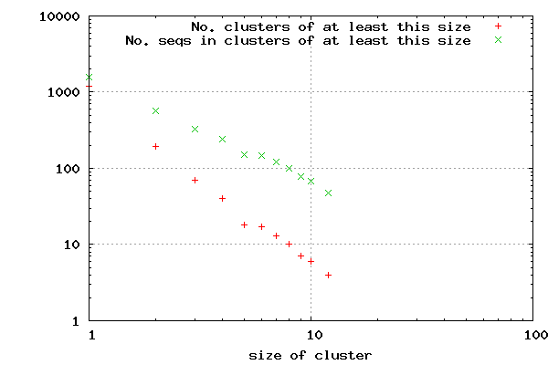
PFAM | 8 | PDZ | TMHMM | Length | Data | Data | Present | Topology | Result | KEGG analysis | CD HIT
 | 7 | Sushi | scil30946 | len=544 | ExpAA=194.57 | First60=0.00 | PredHel=9 | Topology=i131-150o160-182i203-222o232-254i261-283o318-340i347-369o384-406i440-458o | 211 proteins have transmembrane alpha helix | This was not very useful.
 | 4 | C2 | scil35039 | len=487 | ExpAA=206.06 | First60=0.00 | PredHel=9 | Topology=i122-144o159-181i198-220o240-262i275-297o307-326i338-355o370-389i431-453o |  | Only 3 entries were annotated out of 1564
 | 3 | Folliculin_C | scil11245 | len=1547 | ExpAA=176.68 | First60=1.89 | PredHel=8 | Topology=o1073-1095i1142-1163o1173-1192i1212-1234o1254-1276i1368-1390o1422-1444i1464-1486o |  | Metabolism
 | 3 | HECW_N | scil13313 | len=515 | ExpAA=233.98 | First60=15.61 | PredHel=8 | Topology=i134-156o171-193i214-233o243-265i270-292o307-329i371-390o466-488i
 | 3 | Methyltransf_22 | scil13315 | len=488 | ExpAA=217.08 | First60=15.60 | PredHel=8 | Topology=i134-156o171-193i214-233o243-265i270-292o307-329i371-390o466-487i |  | Global and overview maps
 | 3 | WSC | scil13685 | len=515 | ExpAA=233.98 | First60=15.61 | PredHel=8 | Topology=i134-156o171-193i214-233o243-265i270-292o307-329i371-390o466-488i |  | 01100 Metabolic pathways (1)
 | 3 | zf-CCHC | scil13688 | len=488 | ExpAA=217.08 | First60=15.60 | PredHel=8 | Topology=i134-156o171-193i214-233o243-265i270-292o307-329i371-390o466-487i |  | Glycan biosynthesis and metabolism
 | 2 | 7tm_3 | scil13506 | len=980 | ExpAA=166.40 | First60=0.00 | PredHel=7 | Topology=o551-573i580-602o624-646i667-689o713-735i819-841o856-878i |  | 00532 Glycosaminoglycan biosynthesis - chondroitin sulfate / dermatan sulfate (1)
 | 2 | AIG1 | scil16468 | len=419 | ExpAA=152.75 | First60=3.66 | PredHel=7 | Topology=i81-103o136-158i165-184o194-216i229-248o252-269i281-303o |  | 00534 Glycosaminoglycan biosynthesis - heparan sulfate / heparin (1)
 | 2 | ATG27 | scil21791 | len=509 | ExpAA=169.74 | First60=20.63 | PredHel=7 | Topology=i31-53o68-90i171-193o208-230i250-272o292-314i471-493o
 | 2 | CTC1 | scil40056 | len=1826 | ExpAA=182.93 | First60=6.63 | PredHel=7 | Topology=o1390-1412i1439-1458o1463-1485i1505-1524o1551-1573i1660-1679o1694-1711i |  | Genetic Information Processing
 | 2 | DDE_1 | scil3305 | len=328 | ExpAA=120.78 | First60=22.19 | PredHel=6 | Topology=i29-51o76-98i118-137o168-190i210-232o242-264i
 | 2 | DUF2781 | scil20650 | len=470 | ExpAA=136.66 | First60=0.00 | PredHel=6 | Topology=i99-121o141-163i209-231o261-283i344-366o376-398i |  | Translation
 | 2 | DUF3538 | scil25935 | len=448 | ExpAA=136.16 | First60=0.00 | PredHel=6 | Topology=i99-121o141-163i209-231o261-283i344-366o376-398i |  | 03010 Ribosome (1)
 | 2 | DUF4542 | scil26061 | len=280 | ExpAA=121.30 | First60=9.93 | PredHel=6 | Topology=i50-72o82-101i121-143o178-200i207-229o244-266i
 | 2 | EGF_CA | scil32519 | len=341 | ExpAA=126.13 | First60=0.00 | PredHel=6 | Topology=i74-96o111-128i148-170o194-216i229-248o263-285i |  | Environmental Information Processing
 | 2 | FLYWCH | scil14398 | len=905 | ExpAA=130.02 | First60=0.00 | PredHel=5 | Topology=o551-573i580-602o624-646i667-689o713-735i
 | 2 | fn3 | scil20278 | len=849 | ExpAA=108.25 | First60=0.00 | PredHel=5 | Topology=o551-573i580-602o624-646i667-689o713-735i |  | Signal transduction
 | 2 | Herpes_gE | scil22014 | len=411 | ExpAA=104.90 | First60=0.00 | PredHel=4 | Topology=i91-113o230-252i259-276o336-358i |  | 04150 mTOR signaling pathway (1)
 | 2 | ig | scil26925 | len=522 | ExpAA=92.35 | First60=0.01 | PredHel=4 | Topology=i84-106o173-195i208-230o261-283i
 | 2 | Mei4 | scil27407 | len=245 | ExpAA=88.21 | First60=9.91 | PredHel=4 | Topology=i50-72o82-101i146-168o207-226i |  | Human Diseases
 | 2 | Mei5 | scil30988 | len=1243 | ExpAA=79.20 | First60=4.17 | PredHel=4 | Topology=o424-446i459-481o496-518i539-561o
 | 2 | SWIM | scil1438 | len=146 | ExpAA=58.76 | First60=0.15 | PredHel=3 | Topology=o64-81i88-107o117-135i |  | Cancers: Specific types
 | 2 | UBA | scil7259 | len=140 | ExpAA=67.88 | First60=22.72 | PredHel=3 | Topology=i27-49o81-103i116-138o |  | 05211 Renal cell carcinoma (1)
 | 2 | Vinculin | scil15138 | len=358 | ExpAA=64.60 | First60=0.01 | PredHel=3 | Topology=o252-274i286-305o327-349i
 | 1 | Astacin | scil20356 | len=521 | ExpAA=67.25 | First60=0.07 | PredHel=3 | Topology=o425-447i468-490o496-518i
 | 1 | ASXH | scil20555 | len=517 | ExpAA=67.28 | First60=0.07 | PredHel=3 | Topology=o421-443i464-486o492-514i
 | 1 | BicD | scil20611 | len=515 | ExpAA=67.30 | First60=0.07 | PredHel=3 | Topology=o419-441i462-484o490-512i
 | 1 | CAP | scil20720 | len=511 | ExpAA=67.34 | First60=0.07 | PredHel=3 | Topology=o415-437i458-480o486-508i
 | 1 | CARD | scil28168 | len=306 | ExpAA=67.25 | First60=1.03 | PredHel=3 | Topology=i117-139o143-160i215-237o
 | 1 | CUB | scil28323 | len=306 | ExpAA=67.25 | First60=1.03 | PredHel=3 | Topology=i117-139o143-160i215-237o
 | 1 | Cyclin_N | scil31979 | len=291 | ExpAA=54.50 | First60=0.06 | PredHel=3 | Topology=o158-175i188-207o227-246i
 | 1 | Cys_knot | scil40939 | len=306 | ExpAA=67.25 | First60=1.03 | PredHel=3 | Topology=i117-139o143-160i215-237o
 | 1 | DCAF17 | scil47256 | len=156 | ExpAA=64.26 | First60=21.92 | PredHel=3 | Topology=i33-55o65-86i98-120o
 | 1 | DDE_Tnp_1_7 | scil1274 | len=150 | ExpAA=43.47 | First60=16.34 | PredHel=2 | Topology=o47-69i107-129o
 | 1 | DUF1280 | scil2158 | len=161 | ExpAA=33.14 | First60=0.00 | PredHel=2 | Topology=i102-124o129-151i
 | 1 | DUF1356 | scil3582 | len=138 | ExpAA=39.74 | First60=19.61 | PredHel=2 | Topology=i26-48o115-137i
 | 1 | DUF3715 | scil6599 | len=150 | ExpAA=51.18 | First60=12.34 | PredHel=2 | Topology=o77-99i106-128o
 | 1 | DUF4558 | scil6878 | len=145 | ExpAA=46.19 | First60=0.90 | PredHel=2 | Topology=i87-109o119-141i
 | 1 | EamA | scil8182 | len=123 | ExpAA=44.70 | First60=22.38 | PredHel=2 | Topology=i27-49o78-100i
 | 1 | EF-hand_7 | scil10102 | len=100 | ExpAA=45.91 | First60=23.05 | PredHel=2 | Topology=i21-43o71-93i
 | 1 | Exo_endo_phos_2 | scil11251 | len=558 | ExpAA=75.93 | First60=25.42 | PredHel=2 | Topology=i162-181o521-540i
 | 1 | FR47 | scil21827 | len=797 | ExpAA=44.51 | First60=20.94 | PredHel=2 | Topology=i32-54o739-761i
 | 1 | Fz | scil22060 | len=245 | ExpAA=45.35 | First60=22.43 | PredHel=2 | Topology=i36-58o100-122i
 | 1 | Glyco_transf_7C | scil22691 | len=299 | ExpAA=43.11 | First60=0.00 | PredHel=2 | Topology=i187-209o229-251i
 | 1 | Glyco_transf_7N | scil27146 | len=400 | ExpAA=38.65 | First60=0.08 | PredHel=2 | Topology=i64-86o346-365i
 | 1 | Homeobox | scil27373 | len=279 | ExpAA=45.13 | First60=0.14 | PredHel=2 | Topology=i201-223o228-250i
 | 1 | I-set | scil29796 | len=252 | ExpAA=50.16 | First60=12.14 | PredHel=2 | Topology=o183-205i218-240o
 | 1 | Kazal_2 | scil30263 | len=344 | ExpAA=60.51 | First60=7.78 | PredHel=2 | Topology=i204-226o296-318i
 | 1 | Laminin_EGF | scil30358 | len=164 | ExpAA=40.04 | First60=0.00 | PredHel=2 | Topology=i96-118o133-152i
 | 1 | MRP-L28 | scil33701 | len=269 | ExpAA=44.87 | First60=0.01 | PredHel=2 | Topology=i184-206o235-257i
 | 1 | MRP-S26 | scil35750 | len=358 | ExpAA=41.96 | First60=18.08 | PredHel=2 | Topology=i41-60o263-285i
 | 1 | MRP-S35 | scil36618 | len=108 | ExpAA=33.65 | First60=13.58 | PredHel=2 | Topology=i20-39o79-98i
 | 1 | NEP | scil43217 | len=251 | ExpAA=41.26 | First60=0.03 | PredHel=2 | Topology=i90-107o149-171i
 | 1 | Nrf1_DNA-bind | scil44095 | len=181 | ExpAA=41.74 | First60=0.17 | PredHel=2 | Topology=o95-117i130-152o
 | 1 | NTR | scil48590 | len=124 | ExpAA=27.17 | First60=7.19 | PredHel=2 | Topology=i21-43o63-82i
 | 1 | ORC3_N | scil48736 | len=153 | ExpAA=37.28 | First60=23.24 | PredHel=2 | Topology=i24-46o130-152i
 | 1 | Pep_M12B_propep | scil16242 | len=435 | ExpAA=232.98 | First60=20.29 | PredHel=11 | Topology=i33-52o86-108i117-139o143-165i174-196o206-225i276-298o318-340i347-365o380-402i409-428o
 | 1 | Peptidase_C97 | scil13104 | len=506 | ExpAA=230.68 | First60=10.39 | PredHel=10 | Topology=i91-113o123-145i152-174o189-211i232-251o261-283i288-310o325-347i389-408o484-505i
 | 1 | Phage_integrase | scil13108 | len=533 | ExpAA=247.55 | First60=10.39 | PredHel=10 | Topology=i91-113o123-145i152-174o189-211i232-251o261-283i288-310o325-347i389-408o484-506i
 | 1 | PI3K_1B_p101 | scil13206 | len=524 | ExpAA=243.62 | First60=10.96 | PredHel=10 | Topology=i91-110o114-136i143-165o180-202i223-242o252-274i279-301o316-338i380-399o475-497i
 | 1 | PIP49_C | scil13207 | len=497 | ExpAA=226.75 | First60=10.96 | PredHel=10 | Topology=i91-110o114-136i143-165o180-202i223-242o252-274i279-301o316-338i380-399o475-496i
 | 1 | RA | scil13411 | len=506 | ExpAA=237.14 | First60=17.50 | PredHel=10 | Topology=i17-39o93-115i122-144o159-181i202-224o234-256i261-283o298-320i362-381o457-479i
 | 1 | Retrotrans_gag | scil13416 | len=479 | ExpAA=220.24 | First60=17.49 | PredHel=10 | Topology=i17-39o93-115i122-144o159-181i202-224o234-256i261-283o298-320i362-381o457-478i
 | 1 | Rhomboid | scil13485 | len=533 | ExpAA=247.55 | First60=10.39 | PredHel=10 | Topology=i91-113o123-145i152-174o189-211i232-251o261-283i288-310o325-347i389-408o484-506i
 | 1 | SAND | scil13486 | len=506 | ExpAA=230.68 | First60=10.39 | PredHel=10 | Topology=i91-113o123-145i152-174o189-211i232-251o261-283i288-310o325-347i389-408o484-505i
 | 1 | SEFIR | scil13594 | len=497 | ExpAA=226.75 | First60=10.96 | PredHel=10 | Topology=i91-110o114-136i143-165o180-202i223-242o252-274i279-301o316-338i380-399o475-496i
 | 1 | Sfi1 | scil13597 | len=524 | ExpAA=243.62 | First60=10.96 | PredHel=10 | Topology=i91-110o114-136i143-165o180-202i223-242o252-274i279-301o316-338i380-399o475-497i
 | 1 | SH3_9 | scil13788 | len=479 | ExpAA=220.24 | First60=17.49 | PredHel=10 | Topology=i17-39o93-115i122-144o159-181i202-224o234-256i261-283o298-320i362-381o457-478i
 | 1 | SMAP | scil13792 | len=506 | ExpAA=237.14 | First60=17.50 | PredHel=10 | Topology=i17-39o93-115i122-144o159-181i202-224o234-256i261-283o298-320i362-381o457-479i
 | 1 | TGF_beta | scil288 | len=197 | ExpAA=21.43 | First60=0.01 | PredHel=1 | Topology=i174-196o
 | 1 | TMEM144 | scil332 | len=148 | ExpAA=20.91 | First60=9.25 | PredHel=1 | Topology=o50-72i
 | 1 | TMEM223 | scil1094 | len=132 | ExpAA=21.24 | First60=9.35 | PredHel=1 | Topology=o50-72i
 | 1 | TPR_12 | scil1799 | len=221 | ExpAA=19.44 | First60=5.99 | PredHel=1 | Topology=i55-77o
 | 1 | TRM | scil1917 | len=134 | ExpAA=20.45 | First60=0.00 | PredHel=1 | Topology=o90-109i
 | 1 | UCR_14kD | scil2000 | len=178 | ExpAA=22.59 | First60=0.00 | PredHel=1 | Topology=o149-171i
 | 1 | UPF0240 | scil2327 | len=476 | ExpAA=22.82 | First60=0.00 | PredHel=1 | Topology=i92-114o
 | 1 | zf-B_box | scil2546 | len=203 | ExpAA=33.17 | First60=12.17 | PredHel=1 | Topology=o85-104i
 | 1 | zf-BED | scil2956 | len=192 | ExpAA=34.23 | First60=4.40 | PredHel=1 | Topology=i166-185o
 |  |  | scil3469 | len=217 | ExpAA=19.75 | First60=19.00 | PredHel=1 | Topology=i41-60o
 |  |  | scil3648 | len=111 | ExpAA=24.57 | First60=19.63 | PredHel=1 | Topology=i39-61o
 |  |  | scil5741 | len=167 | ExpAA=20.29 | First60=20.23 | PredHel=1 | Topology=o35-57i
 |  |  | scil5874 | len=116 | ExpAA=36.01 | First60=2.87 | PredHel=1 | Topology=i89-111o
 |  |  | scil6025 | len=161 | ExpAA=19.01 | First60=19.01 | PredHel=1 | Topology=o32-54i
 |  |  | scil6317 | len=111 | ExpAA=20.57 | First60=12.25 | PredHel=1 | Topology=o46-68i
 |  |  | scil6346 | len=130 | ExpAA=22.31 | First60=0.00 | PredHel=1 | Topology=o91-113i
 |  |  | scil6508 | len=119 | ExpAA=21.79 | First60=19.49 | PredHel=1 | Topology=i41-63o
 |  |  | scil6847 | len=145 | ExpAA=23.51 | First60=20.59 | PredHel=1 | Topology=o41-63i
 |  |  | scil7532 | len=120 | ExpAA=21.01 | First60=17.80 | PredHel=1 | Topology=i43-65o
 |  |  | scil7854 | len=111 | ExpAA=28.69 | First60=3.93 | PredHel=1 | Topology=i73-95o
 |  |  | scil8280 | len=122 | ExpAA=22.79 | First60=0.01 | PredHel=1 | Topology=o93-115i
 |  |  | scil8572 | len=107 | ExpAA=32.94 | First60=13.11 | PredHel=1 | Topology=i84-106o
 |  |  | scil8704 | len=117 | ExpAA=23.99 | First60=1.07 | PredHel=1 | Topology=i90-112o
 |  |  | scil8848 | len=115 | ExpAA=19.64 | First60=12.64 | PredHel=1 | Topology=o45-67i
 |  |  | scil9045 | len=112 | ExpAA=21.30 | First60=0.00 | PredHel=1 | Topology=o89-111i
 |  |  | scil9512 | len=107 | ExpAA=28.09 | First60=21.06 | PredHel=1 | Topology=i33-55o
 |  |  | scil9696 | len=105 | ExpAA=16.64 | First60=16.64 | PredHel=1 | Topology=o15-32i
 |  |  | scil9732 | len=104 | ExpAA=23.04 | First60=22.89 | PredHel=1 | Topology=o38-60i
 |  |  | scil12095 | len=108 | ExpAA=13.19 | First60=10.41 | PredHel=1 | Topology=i7-29o
 |  |  | scil12780 | len=108 | ExpAA=13.19 | First60=10.41 | PredHel=1 | Topology=i7-29o
 |  |  | scil12887 | len=1026 | ExpAA=31.32 | First60=12.90 | PredHel=1 | Topology=o889-911i
 |  |  | scil14050 | len=527 | ExpAA=19.95 | First60=19.79 | PredHel=1 | Topology=i20-39o
 |  |  | scil15890 | len=111 | ExpAA=15.78 | First60=0.14 | PredHel=1 | Topology=i91-108o
 |  |  | scil16806 | len=392 | ExpAA=37.07 | First60=0.82 | PredHel=1 | Topology=o223-245i
 |  |  | scil17165 | len=323 | ExpAA=18.40 | First60=8.35 | PredHel=1 | Topology=i49-71o
 |  |  | scil17429 | len=945 | ExpAA=25.64 | First60=1.34 | PredHel=1 | Topology=i134-156o
 |  |  | scil17624 | len=937 | ExpAA=25.08 | First60=0.47 | PredHel=1 | Topology=i126-148o
 |  |  | scil17663 | len=107 | ExpAA=20.88 | First60=0.82 | PredHel=1 | Topology=i82-104o
 |  |  | scil17813 | len=107 | ExpAA=20.88 | First60=0.82 | PredHel=1 | Topology=i82-104o
 |  |  | scil18271 | len=122 | ExpAA=14.17 | First60=14.16 | PredHel=1 | Topology=i7-29o
 |  |  | scil18356 | len=226 | ExpAA=20.87 | First60=20.87 | PredHel=1 | Topology=i20-39o
 |  |  | scil18528 | len=140 | ExpAA=23.41 | First60=6.05 | PredHel=1 | Topology=i115-132o
 |  |  | scil18569 | len=156 | ExpAA=22.73 | First60=0.72 | PredHel=1 | Topology=i91-113o
 |  |  | scil18570 | len=204 | ExpAA=30.92 | First60=0.50 | PredHel=1 | Topology=i91-113o
 |  |  | scil19005 | len=148 | ExpAA=24.26 | First60=22.84 | PredHel=1 | Topology=i24-46o
 |  |  | scil19184 | len=120 | ExpAA=16.27 | First60=16.27 | PredHel=1 | Topology=i7-24o
 |  |  | scil19380 | len=142 | ExpAA=24.31 | First60=22.90 | PredHel=1 | Topology=i24-46o
 |  |  | scil19423 | len=152 | ExpAA=19.20 | First60=0.01 | PredHel=1 | Topology=i88-110o
 |  |  | scil19762 | len=133 | ExpAA=26.16 | First60=0.94 | PredHel=1 | Topology=o96-118i
 |  |  | scil19849 | len=140 | ExpAA=33.53 | First60=0.54 | PredHel=1 | Topology=o104-126i
 |  |  | scil19956 | len=122 | ExpAA=14.17 | First60=14.16 | PredHel=1 | Topology=i7-29o
 |  |  | scil19989 | len=371 | ExpAA=23.42 | First60=0.00 | PredHel=1 | Topology=o331-353i
 |  |  | scil21233 | len=122 | ExpAA=14.17 | First60=14.16 | PredHel=1 | Topology=i7-29o
 |  |  | scil21826 | len=559 | ExpAA=28.89 | First60=6.15 | PredHel=1 | Topology=o506-528i
 |  |  | scil21965 | len=650 | ExpAA=23.25 | First60=0.47 | PredHel=1 | Topology=o487-509i
 |  |  | scil22159 | len=417 | ExpAA=22.38 | First60=0.00 | PredHel=1 | Topology=o295-317i
 |  |  | scil22246 | len=385 | ExpAA=22.84 | First60=22.71 | PredHel=1 | Topology=i37-59o
 |  |  | scil22456 | len=407 | ExpAA=22.39 | First60=0.00 | PredHel=1 | Topology=o285-307i
 |  |  | scil22469 | len=399 | ExpAA=22.64 | First60=0.00 | PredHel=1 | Topology=i84-106o
 |  |  | scil22566 | len=384 | ExpAA=37.44 | First60=0.00 | PredHel=1 | Topology=o338-360i
 |  |  | scil23077 | len=219 | ExpAA=25.47 | First60=23.53 | PredHel=1 | Topology=i37-59o
 |  |  | scil23139 | len=376 | ExpAA=22.64 | First60=0.00 | PredHel=1 | Topology=i84-106o
 |  |  | scil23258 | len=108 | ExpAA=28.21 | First60=5.92 | PredHel=1 | Topology=i70-92o
 |  |  | scil23570 | len=380 | ExpAA=20.05 | First60=19.85 | PredHel=1 | Topology=i28-50o
 |  |  | scil23671 | len=604 | ExpAA=32.55 | First60=17.57 | PredHel=1 | Topology=i21-43o
 |  |  | scil23772 | len=750 | ExpAA=25.49 | First60=2.63 | PredHel=1 | Topology=o447-469i
 |  |  | scil24104 | len=591 | ExpAA=32.32 | First60=17.48 | PredHel=1 | Topology=i21-43o
 |  |  | scil25251 | len=794 | ExpAA=40.09 | First60=17.56 | PredHel=1 | Topology=i27-49o
 |  |  | scil25831 | len=388 | ExpAA=22.49 | First60=0.00 | PredHel=1 | Topology=o295-317i
 |  |  | scil25840 | len=539 | ExpAA=18.67 | First60=17.89 | PredHel=1 | Topology=i32-49o
 |  |  | scil26181 | len=378 | ExpAA=22.49 | First60=0.00 | PredHel=1 | Topology=o285-307i
 |  |  | scil26579 | len=107 | ExpAA=20.88 | First60=0.82 | PredHel=1 | Topology=i82-104o
 |  |  | scil26725 | len=122 | ExpAA=14.17 | First60=14.16 | PredHel=1 | Topology=i7-29o
 |  |  | scil26872 | len=107 | ExpAA=20.88 | First60=0.82 | PredHel=1 | Topology=i82-104o
 |  |  | scil27272 | len=102 | ExpAA=20.76 | First60=0.00 | PredHel=1 | Topology=i68-90o
 |  |  | scil27434 | len=741 | ExpAA=23.43 | First60=0.62 | PredHel=1 | Topology=o487-509i
 |  |  | scil27596 | len=642 | ExpAA=25.68 | First60=0.00 | PredHel=1 | Topology=i270-292o
 |  |  | scil28568 | len=120 | ExpAA=16.27 | First60=16.27 | PredHel=1 | Topology=i7-24o
 |  |  | scil28631 | len=210 | ExpAA=20.68 | First60=18.60 | PredHel=1 | Topology=i32-54o
 |  |  | scil29655 | len=122 | ExpAA=14.17 | First60=14.16 | PredHel=1 | Topology=i7-29o
 |  |  | scil31097 | len=329 | ExpAA=17.94 | First60=12.25 | PredHel=1 | Topology=i44-66o
 |  |  | scil31729 | len=122 | ExpAA=14.17 | First60=14.16 | PredHel=1 | Topology=i7-29o
 |  |  | scil32065 | len=114 | ExpAA=26.09 | First60=1.38 | PredHel=1 | Topology=i86-108o
 |  |  | scil33330 | len=122 | ExpAA=14.17 | First60=14.16 | PredHel=1 | Topology=i7-29o
 |  |  | scil33398 | len=686 | ExpAA=41.00 | First60=1.87 | PredHel=1 | Topology=o456-478i
 |  |  | scil33554 | len=566 | ExpAA=21.05 | First60=19.15 | PredHel=1 | Topology=i42-64o
 |  |  | scil33820 | len=498 | ExpAA=29.45 | First60=19.13 | PredHel=1 | Topology=i21-43o
 |  |  | scil34091 | len=491 | ExpAA=29.87 | First60=19.14 | PredHel=1 | Topology=i21-43o
 |  |  | scil34155 | len=490 | ExpAA=29.93 | First60=19.14 | PredHel=1 | Topology=i21-43o
 |  |  | scil34461 | len=483 | ExpAA=30.34 | First60=19.16 | PredHel=1 | Topology=i21-43o
 |  |  | scil34504 | len=397 | ExpAA=18.86 | First60=18.86 | PredHel=1 | Topology=i20-37o
 |  |  | scil34772 | len=119 | ExpAA=21.01 | First60=21.01 | PredHel=1 | Topology=o33-55i
 |  |  | scil35075 | len=385 | ExpAA=21.84 | First60=21.73 | PredHel=1 | Topology=i21-43o
 |  |  | scil35286 | len=430 | ExpAA=19.25 | First60=19.17 | PredHel=1 | Topology=i36-58o
 |  |  | scil35789 | len=344 | ExpAA=21.98 | First60=0.00 | PredHel=1 | Topology=o231-253i
 |  |  | scil36085 | len=170 | ExpAA=29.57 | First60=3.15 | PredHel=1 | Topology=i118-140o
 |  |  | scil36224 | len=595 | ExpAA=21.53 | First60=21.45 | PredHel=1 | Topology=i21-43o
 |  |  | scil36350 | len=120 | ExpAA=16.27 | First60=16.27 | PredHel=1 | Topology=i7-24o
 |  |  | scil36461 | len=287 | ExpAA=20.92 | First60=20.87 | PredHel=1 | Topology=i20-39o
 |  |  | scil36938 | len=122 | ExpAA=14.17 | First60=14.16 | PredHel=1 | Topology=i7-29o
 |  |  | scil37495 | len=104 | ExpAA=30.35 | First60=2.84 | PredHel=1 | Topology=o74-96i
 |  |  | scil37751 | len=370 | ExpAA=36.19 | First60=17.48 | PredHel=1 | Topology=i43-65o
 |  |  | scil38631 | len=490 | ExpAA=24.47 | First60=0.00 | PredHel=1 | Topology=o199-221i
 |  |  | scil38632 | len=334 | ExpAA=25.08 | First60=0.00 | PredHel=1 | Topology=o199-221i
 |  |  | scil38868 | len=329 | ExpAA=25.17 | First60=0.00 | PredHel=1 | Topology=o194-216i
 |  |  | scil38911 | len=484 | ExpAA=24.53 | First60=0.00 | PredHel=1 | Topology=o193-215i
 |  |  | scil39098 | len=499 | ExpAA=21.30 | First60=0.00 | PredHel=1 | Topology=o461-480i
 |  |  | scil39150 | len=479 | ExpAA=24.59 | First60=0.00 | PredHel=1 | Topology=o188-210i
 |  |  | scil39152 | len=323 | ExpAA=25.27 | First60=0.00 | PredHel=1 | Topology=o188-210i
 |  |  | scil39263 | len=122 | ExpAA=14.17 | First60=14.16 | PredHel=1 | Topology=i7-29o
 |  |  | scil39405 | len=227 | ExpAA=22.61 | First60=0.00 | PredHel=1 | Topology=i84-106o
 |  |  | scil40048 | len=466 | ExpAA=21.43 | First60=10.63 | PredHel=1 | Topology=i51-73o
 |  |  | scil40271 | len=116 | ExpAA=27.43 | First60=2.28 | PredHel=1 | Topology=i93-112o
 |  |  | scil40397 | len=473 | ExpAA=35.36 | First60=9.73 | PredHel=1 | Topology=o391-413i
 |  |  | scil40415 | len=153 | ExpAA=20.78 | First60=20.78 | PredHel=1 | Topology=i30-52o
 |  |  | scil41236 | len=199 | ExpAA=20.99 | First60=20.96 | PredHel=1 | Topology=i20-42o
 |  |  | scil41484 | len=134 | ExpAA=20.61 | First60=1.12 | PredHel=1 | Topology=i110-132o
 |  |  | scil42137 | len=182 | ExpAA=21.08 | First60=21.04 | PredHel=1 | Topology=i20-42o
 |  |  | scil42445 | len=445 | ExpAA=21.92 | First60=0.00 | PredHel=1 | Topology=i92-114o
 |  |  | scil42906 | len=325 | ExpAA=22.48 | First60=0.00 | PredHel=1 | Topology=i117-139o
 |  |  | scil43245 | len=280 | ExpAA=58.39 | First60=12.52 | PredHel=1 | Topology=o223-245i
 |  |  | scil43487 | len=275 | ExpAA=56.52 | First60=11.40 | PredHel=1 | Topology=o218-240i
 |  |  | scil43727 | len=270 | ExpAA=54.93 | First60=10.36 | PredHel=1 | Topology=o213-235i
 |  |  | scil43749 | len=255 | ExpAA=22.73 | First60=0.00 | PredHel=1 | Topology=o166-188i
 |  |  | scil44871 | len=285 | ExpAA=36.60 | First60=0.15 | PredHel=1 | Topology=o262-284i
 |  |  | scil45168 | len=129 | ExpAA=23.89 | First60=0.29 | PredHel=1 | Topology=i91-113o
 |  |  | scil45357 | len=138 | ExpAA=21.45 | First60=17.04 | PredHel=1 | Topology=o42-64i
 |  |  | scil45467 | len=195 | ExpAA=21.10 | First60=21.08 | PredHel=1 | Topology=i28-47o
 |  |  | scil45956 | len=305 | ExpAA=23.92 | First60=21.35 | PredHel=1 | Topology=i26-48o
 |  |  | scil46108 | len=176 | ExpAA=23.82 | First60=0.47 | PredHel=1 | Topology=o99-121i
 |  |  | scil46330 | len=171 | ExpAA=23.02 | First60=0.07 | PredHel=1 | Topology=o95-117i
 |  |  | scil46333 | len=203 | ExpAA=33.17 | First60=12.17 | PredHel=1 | Topology=o85-104i
 |  |  | scil47083 | len=227 | ExpAA=36.77 | First60=0.01 | PredHel=1 | Topology=o149-171i
 |  |  | scil47927 | len=204 | ExpAA=25.85 | First60=0.21 | PredHel=1 | Topology=o174-196i
 |  |  | scil48382 | len=102 | ExpAA=26.05 | First60=23.44 | PredHel=1 | Topology=i24-46o
 |  |  | scil48426 | len=122 | ExpAA=22.63 | First60=0.01 | PredHel=1 | Topology=i98-120o
 |  |  | scil48490 | len=201 | ExpAA=22.82 | First60=0.01 | PredHel=1 | Topology=o114-136i
 |  |  | scil48561 | len=190 | ExpAA=26.05 | First60=0.60 | PredHel=1 | Topology=o160-182i
 |  |  | scil48775 | len=123 | ExpAA=33.89 | First60=1.19 | PredHel=1 | Topology=o95-117i
 |  |  | scil49098 | len=164 | ExpAA=20.58 | First60=9.16 | PredHel=1 | Topology=o50-72i
 |  |  | scil49181 | len=128 | ExpAA=24.51 | First60=23.03 | PredHel=1 | Topology=i24-46o
 |  |  | scil35 | len=125 | ExpAA=0.00 | First60=0.00 | PredHel=0 | Topology=o
 |  |  | scil68 | len=118 | ExpAA=0.00 | First60=0.00 | PredHel=0 | Topology=i
 |  |  | scil79 | len=233 | ExpAA=0.02 | First60=0.00 | PredHel=0 | Topology=o
 |  |  | scil166 | len=236 | ExpAA=0.00 | First60=0.00 | PredHel=0 | Topology=o
 |  |  | scil173 | len=288 | ExpAA=0.50 | First60=0.36 | PredHel=0 | Topology=o
 |  |  | scil183 | len=201 | ExpAA=0.01 | First60=0.01 | PredHel=0 | Topology=o
 |  |  | scil219 | len=261 | ExpAA=0.01 | First60=0.00 | PredHel=0 | Topology=o
 |  |  | scil265 | len=184 | ExpAA=0.00 | First60=0.00 | PredHel=0 | Topology=o
 |  |  | scil295 | len=184 | ExpAA=1.99 | First60=1.99 | PredHel=0 | Topology=o
 |  |  | scil311 | len=218 | ExpAA=0.35 | First60=0.00 | PredHel=0 | Topology=o
 |  |  | scil318 | len=133 | ExpAA=0.00 | First60=0.00 | PredHel=0 | Topology=o
 |  |  | scil342 | len=197 | ExpAA=0.01 | First60=0.01 | PredHel=0 | Topology=o
 |  |  | scil355 | len=197 | ExpAA=0.01 | First60=0.01 | PredHel=0 | Topology=o
 |  |  | scil364 | len=260 | ExpAA=0.00 | First60=0.00 | PredHel=0 | Topology=o
 |  |  | scil400 | len=126 | ExpAA=4.95 | First60=0.08 | PredHel=0 | Topology=o
 |  |  | scil431 | len=248 | ExpAA=0.05 | First60=0.04 | PredHel=0 | Topology=o
 |  |  | scil476 | len=188 | ExpAA=0.01 | First60=0.00 | PredHel=0 | Topology=o
 |  |  | scil510 | len=101 | ExpAA=0.00 | First60=0.00 | PredHel=0 | Topology=o
 |  |  | scil530 | len=187 | ExpAA=0.00 | First60=0.00 | PredHel=0 | Topology=i
 |  |  | scil562 | len=121 | ExpAA=0.04 | First60=0.00 | PredHel=0 | Topology=o
 |  |  | scil564 | len=193 | ExpAA=0.01 | First60=0.01 | PredHel=0 | Topology=o
 |  |  | scil573 | len=115 | ExpAA=0.00 | First60=0.00 | PredHel=0 | Topology=i
 |  |  | scil603 | len=227 | ExpAA=0.16 | First60=0.00 | PredHel=0 | Topology=o
 |  |  | scil655 | len=278 | ExpAA=0.20 | First60=0.19 | PredHel=0 | Topology=o
 |  |  | scil659 | len=247 | ExpAA=0.10 | First60=0.10 | PredHel=0 | Topology=o
 |  |  | scil746 | len=114 | ExpAA=16.65 | First60=0.03 | PredHel=0 | Topology=o
 |  |  | scil838 | len=110 | ExpAA=0.26 | First60=0.26 | PredHel=0 | Topology=o
 |  |  | scil849 | len=234 | ExpAA=0.01 | First60=0.00 | PredHel=0 | Topology=o
 |  |  | scil893 | len=106 | ExpAA=2.68 | First60=2.21 | PredHel=0 | Topology=i
 |  |  | scil919 | len=108 | ExpAA=32.44 | First60=8.58 | PredHel=0 | Topology=o
 |  |  | scil962 | len=237 | ExpAA=0.05 | First60=0.04 | PredHel=0 | Topology=o
 |  |  | scil993 | len=267 | ExpAA=0.70 | First60=0.40 | PredHel=0 | Topology=o
 |  |  | scil1019 | len=270 | ExpAA=3.08 | First60=0.16 | PredHel=0 | Topology=o
 |  |  | scil1071 | len=111 | ExpAA=0.01 | First60=0.01 | PredHel=0 | Topology=o
 |  |  | scil1119 | len=248 | ExpAA=0.15 | First60=0.00 | PredHel=0 | Topology=o
 |  |  | scil1233 | len=137 | ExpAA=0.01 | First60=0.01 | PredHel=0 | Topology=o
 |  |  | scil1258 | len=264 | ExpAA=0.07 | First60=0.07 | PredHel=0 | Topology=o
 |  |  | scil1319 | len=525 | ExpAA=0.52 | First60=0.01 | PredHel=0 | Topology=o
 |  |  | scil1320 | len=321 | ExpAA=1.23 | First60=0.01 | PredHel=0 | Topology=o
 |  |  | scil1333 | len=174 | ExpAA=0.00 | First60=0.00 | PredHel=0 | Topology=o
 |  |  | scil1360 | len=158 | ExpAA=9.36 | First60=0.00 | PredHel=0 | Topology=o
 |  |  | scil1383 | len=260 | ExpAA=0.02 | First60=0.02 | PredHel=0 | Topology=o
 |  |  | scil1386 | len=108 | ExpAA=0.23 | First60=0.06 | PredHel=0 | Topology=o
 |  |  | scil1425 | len=139 | ExpAA=0.00 | First60=0.00 | PredHel=0 | Topology=o
 |  |  | scil1433 | len=180 | ExpAA=0.08 | First60=0.03 | PredHel=0 | Topology=o
 |  |  | scil1435 | len=158 | ExpAA=5.87 | First60=5.81 | PredHel=0 | Topology=o
 |  |  | scil1451 | len=270 | ExpAA=17.28 | First60=1.22 | PredHel=0 | Topology=o
 |  |  | scil1528 | len=137 | ExpAA=0.00 | First60=0.00 | PredHel=0 | Topology=i
 |  |  | scil1539 | len=631 | ExpAA=7.90 | First60=0.02 | PredHel=0 | Topology=o
 |  |  | scil1540 | len=224 | ExpAA=7.92 | First60=0.00 | PredHel=0 | Topology=o
 |  |  | scil1629 | len=255 | ExpAA=0.02 | First60=0.02 | PredHel=0 | Topology=o
 |  |  | scil1662 | len=156 | ExpAA=31.38 | First60=0.74 | PredHel=0 | Topology=o
 |  |  | scil1679 | len=254 | ExpAA=0.02 | First60=0.02 | PredHel=0 | Topology=o
 |  |  | scil1689 | len=119 | ExpAA=0.25 | First60=0.25 | PredHel=0 | Topology=o
 |  |  | scil1702 | len=119 | ExpAA=0.07 | First60=0.00 | PredHel=0 | Topology=i
 |  |  | scil1723 | len=148 | ExpAA=0.10 | First60=0.10 | PredHel=0 | Topology=o
 |  |  | scil1767 | len=181 | ExpAA=5.64 | First60=4.29 | PredHel=0 | Topology=o
 |  |  | scil1780 | len=99 | ExpAA=0.15 | First60=0.15 | PredHel=0 | Topology=o
 |  |  | scil1814 | len=150 | ExpAA=18.40 | First60=10.01 | PredHel=0 | Topology=o
 |  |  | scil1829 | len=254 | ExpAA=0.00 | First60=0.00 | PredHel=0 | Topology=o
 |  |  | scil1831 | len=209 | ExpAA=0.01 | First60=0.00 | PredHel=0 | Topology=o
 |  |  | scil1834 | len=171 | ExpAA=21.96 | First60=10.90 | PredHel=0 | Topology=i
 |  |  | scil1845 | len=114 | ExpAA=0.12 | First60=0.11 | PredHel=0 | Topology=o
 |  |  | scil1941 | len=168 | ExpAA=10.87 | First60=7.69 | PredHel=0 | Topology=i
 |  |  | scil2016 | len=102 | ExpAA=1.00 | First60=0.79 | PredHel=0 | Topology=o
 |  |  | scil2025 | len=137 | ExpAA=0.00 | First60=0.00 | PredHel=0 | Topology=o
 |  |  | scil2037 | len=215 | ExpAA=0.11 | First60=0.10 | PredHel=0 | Topology=o
 |  |  | scil2058 | len=316 | ExpAA=0.24 | First60=0.09 | PredHel=0 | Topology=o
 |  |  | scil2076 | len=119 | ExpAA=0.16 | First60=0.16 | PredHel=0 | Topology=o
 |  |  | scil2123 | len=161 | ExpAA=5.50 | First60=0.93 | PredHel=0 | Topology=o
 |  |  | scil2130 | len=132 | ExpAA=0.01 | First60=0.00 | PredHel=0 | Topology=o
 |  |  | scil2159 | len=246 | ExpAA=45.33 | First60=0.01 | PredHel=0 | Topology=o
 |  |  | scil2162 | len=245 | ExpAA=0.04 | First60=0.02 | PredHel=0 | Topology=o
 |  |  | scil2246 | len=116 | ExpAA=0.70 | First60=0.00 | PredHel=0 | Topology=o
 |  |  | scil2268 | len=103 | ExpAA=1.26 | First60=0.19 | PredHel=0 | Topology=i
 |  |  | scil2271 | len=316 | ExpAA=0.24 | First60=0.09 | PredHel=0 | Topology=o
 |  |  | scil2287 | len=123 | ExpAA=0.01 | First60=0.01 | PredHel=0 | Topology=o
 |  |  | scil2297 | len=191 | ExpAA=0.00 | First60=0.00 | PredHel=0 | Topology=o
 |  |  | scil2326 | len=122 | ExpAA=4.86 | First60=0.19 | PredHel=0 | Topology=i
 |  |  | scil2362 | len=197 | ExpAA=0.01 | First60=0.00 | PredHel=0 | Topology=o
 |  |  | scil2367 | len=153 | ExpAA=0.03 | First60=0.00 | PredHel=0 | Topology=o
 |  |  | scil2435 | len=183 | ExpAA=0.04 | First60=0.00 | PredHel=0 | Topology=o
 |  |  | scil2464 | len=119 | ExpAA=5.60 | First60=0.20 | PredHel=0 | Topology=i
 |  |  | scil2517 | len=176 | ExpAA=0.04 | First60=0.00 | PredHel=0 | Topology=o
 |  |  | scil2520 | len=186 | ExpAA=0.01 | First60=0.01 | PredHel=0 | Topology=o
 |  |  | scil2572 | len=188 | ExpAA=0.00 | First60=0.00 | PredHel=0 | Topology=o
 |  |  | scil2701 | len=114 | ExpAA=0.01 | First60=0.00 | PredHel=0 | Topology=o
 |  |  | scil2707 | len=106 | ExpAA=0.00 | First60=0.00 | PredHel=0 | Topology=i
 |  |  | scil2716 | len=191 | ExpAA=0.02 | First60=0.02 | PredHel=0 | Topology=o
 |  |  | scil2739 | len=111 | ExpAA=0.00 | First60=0.00 | PredHel=0 | Topology=o
 |  |  | scil2772 | len=232 | ExpAA=0.01 | First60=0.00 | PredHel=0 | Topology=o
 |  |  | scil2815 | len=180 | ExpAA=0.00 | First60=0.00 | PredHel=0 | Topology=o
 |  |  | scil2857 | len=230 | ExpAA=0.00 | First60=0.00 | PredHel=0 | Topology=o
 |  |  | scil3024 | len=142 | ExpAA=0.00 | First60=0.00 | PredHel=0 | Topology=o
 |  |  | scil3070 | len=145 | ExpAA=0.00 | First60=0.00 | PredHel=0 | Topology=o
 |  |  | scil3124 | len=103 | ExpAA=0.00 | First60=0.00 | PredHel=0 | Topology=o
 |  |  | scil3200 | len=167 | ExpAA=0.02 | First60=0.00 | PredHel=0 | Topology=o
 |  |  | scil3202 | len=197 | ExpAA=0.00 | First60=0.00 | PredHel=0 | Topology=o
 |  |  | scil3204 | len=106 | ExpAA=0.09 | First60=0.02 | PredHel=0 | Topology=o
 |  |  | scil3209 | len=214 | ExpAA=0.03 | First60=0.02 | PredHel=0 | Topology=o
 |  |  | scil3212 | len=223 | ExpAA=0.07 | First60=0.01 | PredHel=0 | Topology=o
 |  |  | scil3307 | len=147 | ExpAA=0.00 | First60=0.00 | PredHel=0 | Topology=o
 |  |  | scil3310 | len=169 | ExpAA=0.18 | First60=0.06 | PredHel=0 | Topology=o
 |  |  | scil3343 | len=99 | ExpAA=0.00 | First60=0.00 | PredHel=0 | Topology=o
 |  |  | scil3349 | len=126 | ExpAA=0.01 | First60=0.01 | PredHel=0 | Topology=o
 |  |  | scil3399 | len=139 | ExpAA=0.27 | First60=0.27 | PredHel=0 | Topology=o
 |  |  | scil3410 | len=110 | ExpAA=0.10 | First60=0.10 | PredHel=0 | Topology=o
 |  |  | scil3423 | len=211 | ExpAA=2.53 | First60=0.00 | PredHel=0 | Topology=o
 |  |  | scil3464 | len=151 | ExpAA=0.03 | First60=0.02 | PredHel=0 | Topology=i
 |  |  | scil3518 | len=190 | ExpAA=0.00 | First60=0.00 | PredHel=0 | Topology=o
 |  |  | scil3578 | len=214 | ExpAA=0.00 | First60=0.00 | PredHel=0 | Topology=o
 |  |  | scil3621 | len=213 | ExpAA=0.10 | First60=0.10 | PredHel=0 | Topology=o
 |  |  | scil3637 | len=178 | ExpAA=0.50 | First60=0.44 | PredHel=0 | Topology=o
 |  |  | scil3643 | len=157 | ExpAA=0.00 | First60=0.00 | PredHel=0 | Topology=o
 |  |  | scil3727 | len=111 | ExpAA=0.13 | First60=0.09 | PredHel=0 | Topology=o
 |  |  | scil3738 | len=118 | ExpAA=15.13 | First60=15.13 | PredHel=0 | Topology=o
 |  |  | scil3742 | len=131 | ExpAA=0.28 | First60=0.28 | PredHel=0 | Topology=o
 |  |  | scil3783 | len=210 | ExpAA=1.72 | First60=1.01 | PredHel=0 | Topology=o
 |  |  | scil3857 | len=207 | ExpAA=0.00 | First60=0.00 | PredHel=0 | Topology=o
 |  |  | scil3867 | len=208 | ExpAA=0.00 | First60=0.00 | PredHel=0 | Topology=o
 |  |  | scil3875 | len=107 | ExpAA=1.69 | First60=0.39 | PredHel=0 | Topology=o
 |  |  | scil3927 | len=150 | ExpAA=0.01 | First60=0.01 | PredHel=0 | Topology=o
 |  |  | scil3959 | len=170 | ExpAA=0.00 | First60=0.00 | PredHel=0 | Topology=o
 |  |  | scil3964 | len=175 | ExpAA=0.14 | First60=0.01 | PredHel=0 | Topology=o
 |  |  | scil3976 | len=205 | ExpAA=0.00 | First60=0.00 | PredHel=0 | Topology=o
 |  |  | scil3986 | len=122 | ExpAA=0.39 | First60=0.28 | PredHel=0 | Topology=i
 |  |  | scil4087 | len=171 | ExpAA=0.11 | First60=0.10 | PredHel=0 | Topology=o
 |  |  | scil4095 | len=126 | ExpAA=4.34 | First60=0.17 | PredHel=0 | Topology=i
 |  |  | scil4138 | len=134 | ExpAA=0.00 | First60=0.00 | PredHel=0 | Topology=o
 |  |  | scil4166 | len=105 | ExpAA=2.21 | First60=2.07 | PredHel=0 | Topology=o
 |  |  | scil4201 | len=385 | ExpAA=0.02 | First60=0.00 | PredHel=0 | Topology=o
 |  |  | scil4205 | len=122 | ExpAA=0.19 | First60=0.04 | PredHel=0 | Topology=o
 |  |  | scil4250 | len=198 | ExpAA=0.00 | First60=0.00 | PredHel=0 | Topology=o
 |  |  | scil4263 | len=105 | ExpAA=14.02 | First60=13.91 | PredHel=0 | Topology=o
 |  |  | scil4271 | len=198 | ExpAA=0.00 | First60=0.00 | PredHel=0 | Topology=o
 |  |  | scil4316 | len=118 | ExpAA=0.27 | First60=0.27 | PredHel=0 | Topology=o
 |  |  | scil4317 | len=125 | ExpAA=0.02 | First60=0.00 | PredHel=0 | Topology=i
 |  |  | scil4352 | len=136 | ExpAA=0.04 | First60=0.00 | PredHel=0 | Topology=o
 |  |  | scil4366 | len=142 | ExpAA=13.07 | First60=13.07 | PredHel=0 | Topology=o
 |  |  | scil4384 | len=115 | ExpAA=0.00 | First60=0.00 | PredHel=0 | Topology=o
 |  |  | scil4393 | len=151 | ExpAA=0.19 | First60=0.01 | PredHel=0 | Topology=o
 |  |  | scil4411 | len=126 | ExpAA=10.00 | First60=10.00 | PredHel=0 | Topology=o
 |  |  | scil4429 | len=194 | ExpAA=0.02 | First60=0.00 | PredHel=0 | Topology=o
 |  |  | scil4437 | len=157 | ExpAA=0.09 | First60=0.09 | PredHel=0 | Topology=o
 |  |  | scil4465 | len=194 | ExpAA=0.53 | First60=0.48 | PredHel=0 | Topology=o
 |  |  | scil4468 | len=161 | ExpAA=0.00 | First60=0.00 | PredHel=0 | Topology=o
 |  |  | scil4469 | len=108 | ExpAA=0.05 | First60=0.00 | PredHel=0 | Topology=o
 |  |  | scil4477 | len=180 | ExpAA=0.00 | First60=0.00 | PredHel=0 | Topology=o
 |  |  | scil4498 | len=166 | ExpAA=0.28 | First60=0.00 | PredHel=0 | Topology=i
 |  |  | scil4530 | len=157 | ExpAA=0.00 | First60=0.00 | PredHel=0 | Topology=o
 |  |  | scil4549 | len=104 | ExpAA=0.00 | First60=0.00 | PredHel=0 | Topology=o
 |  |  | scil4554 | len=192 | ExpAA=0.00 | First60=0.00 | PredHel=0 | Topology=o
 |  |  | scil4578 | len=109 | ExpAA=12.73 | First60=9.98 | PredHel=0 | Topology=o
 |  |  | scil4605 | len=112 | ExpAA=0.03 | First60=0.00 | PredHel=0 | Topology=o
 |  |  | scil4625 | len=107 | ExpAA=0.06 | First60=0.05 | PredHel=0 | Topology=o
 |  |  | scil4818 | len=103 | ExpAA=0.01 | First60=0.01 | PredHel=0 | Topology=o
 |  |  | scil4828 | len=186 | ExpAA=2.18 | First60=2.15 | PredHel=0 | Topology=o
 |  |  | scil4841 | len=185 | ExpAA=0.01 | First60=0.00 | PredHel=0 | Topology=o
 |  |  | scil4874 | len=149 | ExpAA=4.17 | First60=4.10 | PredHel=0 | Topology=o
 |  |  | scil4906 | len=137 | ExpAA=7.01 | First60=7.01 | PredHel=0 | Topology=i
 |  |  | scil4916 | len=184 | ExpAA=0.00 | First60=0.00 | PredHel=0 | Topology=o
 |  |  | scil4918 | len=183 | ExpAA=0.02 | First60=0.00 | PredHel=0 | Topology=o
 |  |  | scil4920 | len=184 | ExpAA=0.00 | First60=0.00 | PredHel=0 | Topology=o
 |  |  | scil4941 | len=130 | ExpAA=0.62 | First60=0.60 | PredHel=0 | Topology=o
 |  |  | scil4960 | len=147 | ExpAA=0.11 | First60=0.11 | PredHel=0 | Topology=o
 |  |  | scil4967 | len=183 | ExpAA=0.01 | First60=0.00 | PredHel=0 | Topology=o
 |  |  | scil4969 | len=124 | ExpAA=0.25 | First60=0.22 | PredHel=0 | Topology=o
 |  |  | scil5014 | len=102 | ExpAA=1.16 | First60=1.13 | PredHel=0 | Topology=o
 |  |  | scil5046 | len=124 | ExpAA=0.00 | First60=0.00 | PredHel=0 | Topology=o
 |  |  | scil5069 | len=181 | ExpAA=0.52 | First60=0.00 | PredHel=0 | Topology=o
 |  |  | scil5080 | len=134 | ExpAA=37.14 | First60=17.75 | PredHel=0 | Topology=o
 |  |  | scil5121 | len=108 | ExpAA=0.00 | First60=0.00 | PredHel=0 | Topology=o
 |  |  | scil5154 | len=150 | ExpAA=0.00 | First60=0.00 | PredHel=0 | Topology=o
 |  |  | scil5161 | len=126 | ExpAA=5.64 | First60=5.47 | PredHel=0 | Topology=o
 |  |  | scil5177 | len=179 | ExpAA=0.00 | First60=0.00 | PredHel=0 | Topology=o
 |  |  | scil5189 | len=133 | ExpAA=0.01 | First60=0.01 | PredHel=0 | Topology=o
 |  |  | scil5198 | len=126 | ExpAA=9.98 | First60=7.14 | PredHel=0 | Topology=o
 |  |  | scil5220 | len=178 | ExpAA=0.52 | First60=0.00 | PredHel=0 | Topology=o
 |  |  | scil5242 | len=131 | ExpAA=0.01 | First60=0.00 | PredHel=0 | Topology=o
 |  |  | scil5247 | len=114 | ExpAA=0.00 | First60=0.00 | PredHel=0 | Topology=o
 |  |  | scil5248 | len=137 | ExpAA=0.15 | First60=0.10 | PredHel=0 | Topology=i
 |  |  | scil5251 | len=128 | ExpAA=0.07 | First60=0.05 | PredHel=0 | Topology=o
 |  |  | scil5303 | len=122 | ExpAA=0.01 | First60=0.00 | PredHel=0 | Topology=o
 |  |  | scil5320 | len=121 | ExpAA=0.00 | First60=0.00 | PredHel=0 | Topology=o
 |  |  | scil5343 | len=104 | ExpAA=0.00 | First60=0.00 | PredHel=0 | Topology=o
 |  |  | scil5358 | len=174 | ExpAA=0.01 | First60=0.00 | PredHel=0 | Topology=o
 |  |  | scil5379 | len=105 | ExpAA=0.02 | First60=0.00 | PredHel=0 | Topology=o
 |  |  | scil5414 | len=173 | ExpAA=0.01 | First60=0.01 | PredHel=0 | Topology=i
 |  |  | scil5425 | len=100 | ExpAA=0.48 | First60=0.36 | PredHel=0 | Topology=o
 |  |  | scil5535 | len=171 | ExpAA=0.00 | First60=0.00 | PredHel=0 | Topology=o
 |  |  | scil5566 | len=137 | ExpAA=0.04 | First60=0.01 | PredHel=0 | Topology=o
 |  |  | scil5579 | len=110 | ExpAA=0.44 | First60=0.00 | PredHel=0 | Topology=o
 |  |  | scil5600 | len=170 | ExpAA=10.98 | First60=0.00 | PredHel=0 | Topology=o
 |  |  | scil5617 | len=115 | ExpAA=0.00 | First60=0.00 | PredHel=0 | Topology=i
 |  |  | scil5620 | len=121 | ExpAA=0.00 | First60=0.00 | PredHel=0 | Topology=o
 |  |  | scil5640 | len=165 | ExpAA=0.49 | First60=0.49 | PredHel=0 | Topology=o
 |  |  | scil5665 | len=164 | ExpAA=3.21 | First60=0.00 | PredHel=0 | Topology=o
 |  |  | scil5685 | len=220 | ExpAA=0.00 | First60=0.00 | PredHel=0 | Topology=o
 |  |  | scil5701 | len=112 | ExpAA=0.00 | First60=0.00 | PredHel=0 | Topology=o
 |  |  | scil5702 | len=119 | ExpAA=0.00 | First60=0.00 | PredHel=0 | Topology=o
 |  |  | scil5711 | len=168 | ExpAA=0.13 | First60=0.00 | PredHel=0 | Topology=o
 |  |  | scil5735 | len=125 | ExpAA=0.00 | First60=0.00 | PredHel=0 | Topology=o
 |  |  | scil5775 | len=110 | ExpAA=0.00 | First60=0.00 | PredHel=0 | Topology=i
 |  |  | scil5787 | len=133 | ExpAA=0.00 | First60=0.00 | PredHel=0 | Topology=o
 |  |  | scil5792 | len=166 | ExpAA=0.00 | First60=0.00 | PredHel=0 | Topology=o
 |  |  | scil5800 | len=122 | ExpAA=0.00 | First60=0.00 | PredHel=0 | Topology=o
 |  |  | scil5816 | len=165 | ExpAA=0.00 | First60=0.00 | PredHel=0 | Topology=o
 |  |  | scil5831 | len=135 | ExpAA=0.00 | First60=0.00 | PredHel=0 | Topology=o
 |  |  | scil5853 | len=116 | ExpAA=0.03 | First60=0.03 | PredHel=0 | Topology=o
 |  |  | scil5873 | len=110 | ExpAA=0.00 | First60=0.00 | PredHel=0 | Topology=o
 |  |  | scil5909 | len=106 | ExpAA=14.51 | First60=0.13 | PredHel=0 | Topology=o
 |  |  | scil5911 | len=120 | ExpAA=0.04 | First60=0.04 | PredHel=0 | Topology=o
 |  |  | scil5939 | len=101 | ExpAA=0.03 | First60=0.03 | PredHel=0 | Topology=i
 |  |  | scil5940 | len=126 | ExpAA=0.03 | First60=0.03 | PredHel=0 | Topology=o
 |  |  | scil5951 | len=114 | ExpAA=0.28 | First60=0.28 | PredHel=0 | Topology=o
 |  |  | scil6015 | len=138 | ExpAA=0.17 | First60=0.17 | PredHel=0 | Topology=o
 |  |  | scil6018 | len=110 | ExpAA=0.17 | First60=0.12 | PredHel=0 | Topology=o
 |  |  | scil6023 | len=162 | ExpAA=0.00 | First60=0.00 | PredHel=0 | Topology=o
 |  |  | scil6045 | len=106 | ExpAA=0.93 | First60=0.93 | PredHel=0 | Topology=o
 |  |  | scil6107 | len=106 | ExpAA=0.10 | First60=0.00 | PredHel=0 | Topology=o
 |  |  | scil6129 | len=116 | ExpAA=5.09 | First60=5.07 | PredHel=0 | Topology=i
 |  |  | scil6135 | len=123 | ExpAA=4.50 | First60=1.95 | PredHel=0 | Topology=o
 |  |  | scil6149 | len=160 | ExpAA=0.03 | First60=0.00 | PredHel=0 | Topology=o
 |  |  | scil6173 | len=115 | ExpAA=0.00 | First60=0.00 | PredHel=0 | Topology=o
 |  |  | scil6179 | len=154 | ExpAA=0.00 | First60=0.00 | PredHel=0 | Topology=o
 |  |  | scil6197 | len=110 | ExpAA=0.00 | First60=0.00 | PredHel=0 | Topology=o
 |  |  | scil6212 | len=115 | ExpAA=0.08 | First60=0.03 | PredHel=0 | Topology=o
 |  |  | scil6249 | len=107 | ExpAA=0.00 | First60=0.00 | PredHel=0 | Topology=i
 |  |  | scil6296 | len=116 | ExpAA=11.63 | First60=11.39 | PredHel=0 | Topology=o
 |  |  | scil6335 | len=155 | ExpAA=0.03 | First60=0.01 | PredHel=0 | Topology=o
 |  |  | scil6357 | len=147 | ExpAA=0.01 | First60=0.01 | PredHel=0 | Topology=o
 |  |  | scil6461 | len=153 | ExpAA=0.00 | First60=0.00 | PredHel=0 | Topology=o
 |  |  | scil6483 | len=153 | ExpAA=0.00 | First60=0.00 | PredHel=0 | Topology=o
 |  |  | scil6520 | len=152 | ExpAA=4.86 | First60=3.39 | PredHel=0 | Topology=o
 |  |  | scil6548 | len=152 | ExpAA=0.00 | First60=0.00 | PredHel=0 | Topology=o
 |  |  | scil6560 | len=152 | ExpAA=0.03 | First60=0.03 | PredHel=0 | Topology=o
 |  |  | scil6585 | len=102 | ExpAA=0.00 | First60=0.00 | PredHel=0 | Topology=i
 |  |  | scil6626 | len=150 | ExpAA=1.45 | First60=1.44 | PredHel=0 | Topology=i
 |  |  | scil6629 | len=133 | ExpAA=0.00 | First60=0.00 | PredHel=0 | Topology=o
 |  |  | scil6634 | len=120 | ExpAA=0.00 | First60=0.00 | PredHel=0 | Topology=o
 |  |  | scil6637 | len=116 | ExpAA=0.01 | First60=0.00 | PredHel=0 | Topology=o
 |  |  | scil6654 | len=150 | ExpAA=0.06 | First60=0.01 | PredHel=0 | Topology=o
 |  |  | scil6660 | len=116 | ExpAA=1.79 | First60=1.02 | PredHel=0 | Topology=o
 |  |  | scil6672 | len=102 | ExpAA=14.16 | First60=14.16 | PredHel=0 | Topology=o
 |  |  | scil6675 | len=121 | ExpAA=0.00 | First60=0.00 | PredHel=0 | Topology=i
 |  |  | scil6681 | len=149 | ExpAA=0.00 | First60=0.00 | PredHel=0 | Topology=o
 |  |  | scil6753 | len=147 | ExpAA=0.00 | First60=0.00 | PredHel=0 | Topology=o
 |  |  | scil6780 | len=126 | ExpAA=0.55 | First60=0.40 | PredHel=0 | Topology=i
 |  |  | scil6806 | len=111 | ExpAA=0.00 | First60=0.00 | PredHel=0 | Topology=i
 |  |  | scil6837 | len=113 | ExpAA=0.01 | First60=0.01 | PredHel=0 | Topology=o
 |  |  | scil6844 | len=119 | ExpAA=0.10 | First60=0.09 | PredHel=0 | Topology=o
 |  |  | scil6866 | len=144 | ExpAA=0.00 | First60=0.00 | PredHel=0 | Topology=o
 |  |  | scil6872 | len=145 | ExpAA=0.00 | First60=0.00 | PredHel=0 | Topology=o
 |  |  | scil6898 | len=112 | ExpAA=0.02 | First60=0.00 | PredHel=0 | Topology=o
 |  |  | scil6900 | len=145 | ExpAA=9.48 | First60=0.00 | PredHel=0 | Topology=i
 |  |  | scil6939 | len=102 | ExpAA=0.00 | First60=0.00 | PredHel=0 | Topology=o
 |  |  | scil6949 | len=144 | ExpAA=0.83 | First60=0.00 | PredHel=0 | Topology=o
 |  |  | scil6954 | len=144 | ExpAA=14.11 | First60=8.17 | PredHel=0 | Topology=o
 |  |  | scil6988 | len=143 | ExpAA=0.77 | First60=0.50 | PredHel=0 | Topology=o
 |  |  | scil6992 | len=143 | ExpAA=0.00 | First60=0.00 | PredHel=0 | Topology=o
 |  |  | scil6997 | len=103 | ExpAA=0.01 | First60=0.00 | PredHel=0 | Topology=i
 |  |  | scil7020 | len=142 | ExpAA=0.01 | First60=0.00 | PredHel=0 | Topology=o
 |  |  | scil7028 | len=142 | ExpAA=0.01 | First60=0.00 | PredHel=0 | Topology=o
 |  |  | scil7047 | len=142 | ExpAA=0.04 | First60=0.03 | PredHel=0 | Topology=i
 |  |  | scil7087 | len=133 | ExpAA=0.06 | First60=0.00 | PredHel=0 | Topology=o
 |  |  | scil7093 | len=114 | ExpAA=0.01 | First60=0.01 | PredHel=0 | Topology=o
 |  |  | scil7109 | len=141 | ExpAA=0.00 | First60=0.00 | PredHel=0 | Topology=o
 |  |  | scil7141 | len=100 | ExpAA=0.41 | First60=0.07 | PredHel=0 | Topology=o
 |  |  | scil7235 | len=139 | ExpAA=0.00 | First60=0.00 | PredHel=0 | Topology=o
 |  |  | scil7275 | len=118 | ExpAA=0.00 | First60=0.00 | PredHel=0 | Topology=o
 |  |  | scil7281 | len=138 | ExpAA=5.42 | First60=5.29 | PredHel=0 | Topology=i
 |  |  | scil7294 | len=106 | ExpAA=0.58 | First60=0.58 | PredHel=0 | Topology=o
 |  |  | scil7324 | len=110 | ExpAA=6.35 | First60=3.82 | PredHel=0 | Topology=i
 |  |  | scil7411 | len=137 | ExpAA=6.54 | First60=0.00 | PredHel=0 | Topology=i
 |  |  | scil7416 | len=137 | ExpAA=7.58 | First60=0.00 | PredHel=0 | Topology=i
 |  |  | scil7457 | len=136 | ExpAA=0.05 | First60=0.05 | PredHel=0 | Topology=o
 |  |  | scil7475 | len=108 | ExpAA=0.16 | First60=0.03 | PredHel=0 | Topology=o
 |  |  | scil7477 | len=109 | ExpAA=0.17 | First60=0.03 | PredHel=0 | Topology=o
 |  |  | scil7497 | len=135 | ExpAA=0.00 | First60=0.00 | PredHel=0 | Topology=o
 |  |  | scil7508 | len=126 | ExpAA=0.15 | First60=0.00 | PredHel=0 | Topology=o
 |  |  | scil7544 | len=134 | ExpAA=0.58 | First60=0.58 | PredHel=0 | Topology=o
 |  |  | scil7557 | len=134 | ExpAA=0.00 | First60=0.00 | PredHel=0 | Topology=i
 |  |  | scil7632 | len=133 | ExpAA=0.03 | First60=0.03 | PredHel=0 | Topology=o
 |  |  | scil7650 | len=113 | ExpAA=0.00 | First60=0.00 | PredHel=0 | Topology=o
 |  |  | scil7651 | len=116 | ExpAA=0.01 | First60=0.01 | PredHel=0 | Topology=o
 |  |  | scil7715 | len=125 | ExpAA=0.00 | First60=0.00 | PredHel=0 | Topology=i
 |  |  | scil7730 | len=131 | ExpAA=0.01 | First60=0.00 | PredHel=0 | Topology=o
 |  |  | scil7773 | len=113 | ExpAA=32.11 | First60=13.90 | PredHel=0 | Topology=o
 |  |  | scil7824 | len=116 | ExpAA=0.27 | First60=0.27 | PredHel=0 | Topology=o
 |  |  | scil7888 | len=102 | ExpAA=0.00 | First60=0.00 | PredHel=0 | Topology=o
 |  |  | scil7896 | len=112 | ExpAA=0.00 | First60=0.00 | PredHel=0 | Topology=o
 |  |  | scil7928 | len=121 | ExpAA=0.96 | First60=0.05 | PredHel=0 | Topology=o
 |  |  | scil7952 | len=113 | ExpAA=0.42 | First60=0.00 | PredHel=0 | Topology=o
 |  |  | scil7965 | len=127 | ExpAA=0.00 | First60=0.00 | PredHel=0 | Topology=o
 |  |  | scil8013 | len=121 | ExpAA=11.63 | First60=6.11 | PredHel=0 | Topology=o
 |  |  | scil8023 | len=127 | ExpAA=13.39 | First60=13.23 | PredHel=0 | Topology=o
 |  |  | scil8043 | len=126 | ExpAA=0.00 | First60=0.00 | PredHel=0 | Topology=i
 |  |  | scil8052 | len=126 | ExpAA=0.02 | First60=0.02 | PredHel=0 | Topology=o
 |  |  | scil8055 | len=105 | ExpAA=0.00 | First60=0.00 | PredHel=0 | Topology=o
 |  |  | scil8067 | len=125 | ExpAA=0.03 | First60=0.00 | PredHel=0 | Topology=o
 |  |  | scil8072 | len=125 | ExpAA=0.09 | First60=0.00 | PredHel=0 | Topology=o
 |  |  | scil8073 | len=125 | ExpAA=0.00 | First60=0.00 | PredHel=0 | Topology=i
 |  |  | scil8092 | len=100 | ExpAA=0.67 | First60=0.67 | PredHel=0 | Topology=i
 |  |  | scil8099 | len=125 | ExpAA=0.00 | First60=0.00 | PredHel=0 | Topology=o
 |  |  | scil8105 | len=125 | ExpAA=0.19 | First60=0.17 | PredHel=0 | Topology=i
 |  |  | scil8121 | len=100 | ExpAA=0.13 | First60=0.08 | PredHel=0 | Topology=o
 |  |  | scil8154 | len=125 | ExpAA=0.00 | First60=0.00 | PredHel=0 | Topology=o
 |  |  | scil8162 | len=104 | ExpAA=0.12 | First60=0.00 | PredHel=0 | Topology=o
 |  |  | scil8181 | len=124 | ExpAA=0.19 | First60=0.19 | PredHel=0 | Topology=o
 |  |  | scil8183 | len=124 | ExpAA=0.00 | First60=0.00 | PredHel=0 | Topology=o
 |  |  | scil8222 | len=123 | ExpAA=0.06 | First60=0.06 | PredHel=0 | Topology=o
 |  |  | scil8231 | len=123 | ExpAA=0.00 | First60=0.00 | PredHel=0 | Topology=o
 |  |  | scil8239 | len=120 | ExpAA=16.94 | First60=1.68 | PredHel=0 | Topology=o
 |  |  | scil8314 | len=122 | ExpAA=0.00 | First60=0.00 | PredHel=0 | Topology=o
 |  |  | scil8323 | len=122 | ExpAA=5.28 | First60=4.88 | PredHel=0 | Topology=o
 |  |  | scil8328 | len=122 | ExpAA=0.00 | First60=0.00 | PredHel=0 | Topology=i
 |  |  | scil8366 | len=121 | ExpAA=0.00 | First60=0.00 | PredHel=0 | Topology=o
 |  |  | scil8453 | len=120 | ExpAA=0.03 | First60=0.03 | PredHel=0 | Topology=o
 |  |  | scil8487 | len=102 | ExpAA=12.86 | First60=0.09 | PredHel=0 | Topology=i
 |  |  | scil8514 | len=119 | ExpAA=2.33 | First60=0.00 | PredHel=0 | Topology=i
 |  |  | scil8534 | len=119 | ExpAA=2.97 | First60=0.00 | PredHel=0 | Topology=i
 |  |  | scil8632 | len=117 | ExpAA=0.00 | First60=0.00 | PredHel=0 | Topology=i
 |  |  | scil8639 | len=118 | ExpAA=0.01 | First60=0.01 | PredHel=0 | Topology=o
 |  |  | scil8640 | len=118 | ExpAA=0.05 | First60=0.01 | PredHel=0 | Topology=o
 |  |  | scil8697 | len=117 | ExpAA=0.02 | First60=0.02 | PredHel=0 | Topology=o
 |  |  | scil8699 | len=116 | ExpAA=0.10 | First60=0.02 | PredHel=0 | Topology=o
 |  |  | scil8737 | len=116 | ExpAA=11.50 | First60=11.50 | PredHel=0 | Topology=o
 |  |  | scil8748 | len=116 | ExpAA=0.01 | First60=0.00 | PredHel=0 | Topology=o
 |  |  | scil8766 | len=221 | ExpAA=29.22 | First60=0.00 | PredHel=0 | Topology=o
 |  |  | scil8879 | len=114 | ExpAA=0.00 | First60=0.00 | PredHel=0 | Topology=i
 |  |  | scil8946 | len=101 | ExpAA=0.01 | First60=0.01 | PredHel=0 | Topology=o
 |  |  | scil9011 | len=112 | ExpAA=2.52 | First60=1.52 | PredHel=0 | Topology=i
 |  |  | scil9012 | len=113 | ExpAA=0.00 | First60=0.00 | PredHel=0 | Topology=o
 |  |  | scil9022 | len=112 | ExpAA=0.28 | First60=0.00 | PredHel=0 | Topology=o
 |  |  | scil9025 | len=112 | ExpAA=18.96 | First60=5.03 | PredHel=0 | Topology=i
 |  |  | scil9034 | len=112 | ExpAA=4.57 | First60=0.01 | PredHel=0 | Topology=o
 |  |  | scil9051 | len=112 | ExpAA=0.01 | First60=0.01 | PredHel=0 | Topology=o
 |  |  | scil9070 | len=112 | ExpAA=0.01 | First60=0.01 | PredHel=0 | Topology=o
 |  |  | scil9145 | len=111 | ExpAA=0.00 | First60=0.00 | PredHel=0 | Topology=o
 |  |  | scil9169 | len=111 | ExpAA=1.18 | First60=0.00 | PredHel=0 | Topology=i
 |  |  | scil9178 | len=111 | ExpAA=1.10 | First60=0.00 | PredHel=0 | Topology=i
 |  |  | scil9179 | len=110 | ExpAA=0.02 | First60=0.00 | PredHel=0 | Topology=i
 |  |  | scil9227 | len=110 | ExpAA=0.00 | First60=0.00 | PredHel=0 | Topology=i
 |  |  | scil9232 | len=110 | ExpAA=0.00 | First60=0.00 | PredHel=0 | Topology=o
 |  |  | scil9233 | len=110 | ExpAA=0.21 | First60=0.21 | PredHel=0 | Topology=o
 |  |  | scil9268 | len=110 | ExpAA=0.01 | First60=0.01 | PredHel=0 | Topology=o
 |  |  | scil9273 | len=108 | ExpAA=0.88 | First60=0.02 | PredHel=0 | Topology=i
 |  |  | scil9281 | len=109 | ExpAA=0.08 | First60=0.06 | PredHel=0 | Topology=o
 |  |  | scil9298 | len=109 | ExpAA=0.43 | First60=0.36 | PredHel=0 | Topology=o
 |  |  | scil9377 | len=108 | ExpAA=0.22 | First60=0.15 | PredHel=0 | Topology=o
 |  |  | scil9384 | len=108 | ExpAA=3.47 | First60=0.00 | PredHel=0 | Topology=o
 |  |  | scil9418 | len=108 | ExpAA=0.00 | First60=0.00 | PredHel=0 | Topology=o
 |  |  | scil9440 | len=108 | ExpAA=0.56 | First60=0.51 | PredHel=0 | Topology=o
 |  |  | scil9504 | len=106 | ExpAA=0.00 | First60=0.00 | PredHel=0 | Topology=o
 |  |  | scil9551 | len=106 | ExpAA=0.03 | First60=0.01 | PredHel=0 | Topology=o
 |  |  | scil9556 | len=100 | ExpAA=17.44 | First60=16.39 | PredHel=0 | Topology=i
 |  |  | scil9617 | len=105 | ExpAA=1.05 | First60=0.77 | PredHel=0 | Topology=i
 |  |  | scil9620 | len=105 | ExpAA=0.00 | First60=0.00 | PredHel=0 | Topology=o
 |  |  | scil9748 | len=104 | ExpAA=0.40 | First60=0.08 | PredHel=0 | Topology=i
 |  |  | scil9789 | len=103 | ExpAA=0.00 | First60=0.00 | PredHel=0 | Topology=o
 |  |  | scil9818 | len=104 | ExpAA=0.07 | First60=0.07 | PredHel=0 | Topology=o
 |  |  | scil9825 | len=103 | ExpAA=0.00 | First60=0.00 | PredHel=0 | Topology=o
 |  |  | scil9831 | len=103 | ExpAA=0.06 | First60=0.04 | PredHel=0 | Topology=o
 |  |  | scil9855 | len=100 | ExpAA=7.60 | First60=7.50 | PredHel=0 | Topology=o
 |  |  | scil9857 | len=103 | ExpAA=6.01 | First60=6.01 | PredHel=0 | Topology=o
 |  |  | scil9936 | len=102 | ExpAA=6.05 | First60=6.05 | PredHel=0 | Topology=o
 |  |  | scil9945 | len=102 | ExpAA=0.04 | First60=0.04 | PredHel=0 | Topology=o
 |  |  | scil9975 | len=101 | ExpAA=0.61 | First60=0.54 | PredHel=0 | Topology=i
 |  |  | scil9998 | len=101 | ExpAA=0.00 | First60=0.00 | PredHel=0 | Topology=o
 |  |  | scil10006 | len=101 | ExpAA=0.00 | First60=0.00 | PredHel=0 | Topology=o
 |  |  | scil10088 | len=100 | ExpAA=5.82 | First60=5.82 | PredHel=0 | Topology=o
 |  |  | scil10097 | len=101 | ExpAA=0.00 | First60=0.00 | PredHel=0 | Topology=o
 |  |  | scil10126 | len=100 | ExpAA=0.00 | First60=0.00 | PredHel=0 | Topology=i
 |  |  | scil10127 | len=100 | ExpAA=0.01 | First60=0.01 | PredHel=0 | Topology=o
 |  |  | scil10151 | len=100 | ExpAA=0.00 | First60=0.00 | PredHel=0 | Topology=i
 |  |  | scil10207 | len=142 | ExpAA=0.01 | First60=0.00 | PredHel=0 | Topology=o
 |  |  | scil10229 | len=4430 | ExpAA=0.21 | First60=0.00 | PredHel=0 | Topology=o
 |  |  | scil10238 | len=316 | ExpAA=0.24 | First60=0.09 | PredHel=0 | Topology=o
 |  |  | scil10241 | len=316 | ExpAA=0.24 | First60=0.09 | PredHel=0 | Topology=o
 |  |  | scil10252 | len=316 | ExpAA=0.24 | First60=0.09 | PredHel=0 | Topology=o
 |  |  | scil10262 | len=316 | ExpAA=0.24 | First60=0.09 | PredHel=0 | Topology=o
 |  |  | scil10283 | len=1040 | ExpAA=0.17 | First60=0.00 | PredHel=0 | Topology=o
 |  |  | scil10386 | len=387 | ExpAA=20.13 | First60=11.50 | PredHel=0 | Topology=o
 |  |  | scil10434 | len=1242 | ExpAA=3.02 | First60=0.00 | PredHel=0 | Topology=o
 |  |  | scil10452 | len=318 | ExpAA=0.20 | First60=0.00 | PredHel=0 | Topology=o
 |  |  | scil10483 | len=318 | ExpAA=0.20 | First60=0.00 | PredHel=0 | Topology=o
 |  |  | scil10486 | len=460 | ExpAA=31.85 | First60=0.13 | PredHel=0 | Topology=o
 |  |  | scil10514 | len=318 | ExpAA=0.20 | First60=0.00 | PredHel=0 | Topology=o
 |  |  | scil10545 | len=318 | ExpAA=0.20 | First60=0.00 | PredHel=0 | Topology=o
 |  |  | scil10569 | len=785 | ExpAA=0.04 | First60=0.04 | PredHel=0 | Topology=o
 |  |  | scil10578 | len=316 | ExpAA=0.24 | First60=0.09 | PredHel=0 | Topology=o
 |  |  | scil10584 | len=316 | ExpAA=0.24 | First60=0.09 | PredHel=0 | Topology=o
 |  |  | scil10598 | len=534 | ExpAA=0.38 | First60=0.00 | PredHel=0 | Topology=o
 |  |  | scil10606 | len=778 | ExpAA=0.04 | First60=0.04 | PredHel=0 | Topology=o
 |  |  | scil10611 | len=125 | ExpAA=1.20 | First60=0.72 | PredHel=0 | Topology=i
 |  |  | scil10622 | len=930 | ExpAA=0.01 | First60=0.00 | PredHel=0 | Topology=o
 |  |  | scil10643 | len=300 | ExpAA=1.69 | First60=0.58 | PredHel=0 | Topology=o
 |  |  | scil10650 | len=147 | ExpAA=0.13 | First60=0.12 | PredHel=0 | Topology=o
 |  |  | scil10662 | len=328 | ExpAA=2.29 | First60=0.01 | PredHel=0 | Topology=o
 |  |  | scil10677 | len=299 | ExpAA=0.00 | First60=0.00 | PredHel=0 | Topology=o
 |  |  | scil10722 | len=318 | ExpAA=0.20 | First60=0.00 | PredHel=0 | Topology=o
 |  |  | scil10757 | len=318 | ExpAA=0.20 | First60=0.00 | PredHel=0 | Topology=o
 |  |  | scil10763 | len=415 | ExpAA=0.12 | First60=0.00 | PredHel=0 | Topology=o
 |  |  | scil10780 | len=417 | ExpAA=0.12 | First60=0.00 | PredHel=0 | Topology=o
 |  |  | scil10823 | len=405 | ExpAA=0.13 | First60=0.00 | PredHel=0 | Topology=o
 |  |  | scil10846 | len=407 | ExpAA=0.13 | First60=0.00 | PredHel=0 | Topology=o
 |  |  | scil11020 | len=153 | ExpAA=0.16 | First60=0.14 | PredHel=0 | Topology=o
 |  |  | scil11027 | len=465 | ExpAA=49.45 | First60=4.50 | PredHel=0 | Topology=o
 |  |  | scil11047 | len=751 | ExpAA=0.03 | First60=0.01 | PredHel=0 | Topology=o
 |  |  | scil11074 | len=338 | ExpAA=0.09 | First60=0.00 | PredHel=0 | Topology=o
 |  |  | scil11081 | len=223 | ExpAA=0.63 | First60=0.63 | PredHel=0 | Topology=o
 |  |  | scil11140 | len=346 | ExpAA=0.23 | First60=0.14 | PredHel=0 | Topology=o
 |  |  | scil11141 | len=310 | ExpAA=0.64 | First60=0.00 | PredHel=0 | Topology=o
 |  |  | scil11161 | len=328 | ExpAA=0.01 | First60=0.01 | PredHel=0 | Topology=o
 |  |  | scil11279 | len=329 | ExpAA=3.63 | First60=0.00 | PredHel=0 | Topology=o
 |  |  | scil11292 | len=406 | ExpAA=0.01 | First60=0.00 | PredHel=0 | Topology=o
 |  |  | scil11371 | len=411 | ExpAA=6.97 | First60=0.00 | PredHel=0 | Topology=o
 |  |  | scil11430 | len=349 | ExpAA=0.01 | First60=0.00 | PredHel=0 | Topology=o
 |  |  | scil11476 | len=304 | ExpAA=12.05 | First60=0.05 | PredHel=0 | Topology=o
 |  |  | scil11488 | len=977 | ExpAA=0.17 | First60=0.00 | PredHel=0 | Topology=o
 |  |  | scil11507 | len=304 | ExpAA=12.05 | First60=0.05 | PredHel=0 | Topology=o
 |  |  | scil11518 | len=115 | ExpAA=0.00 | First60=0.00 | PredHel=0 | Topology=i
 |  |  | scil11520 | len=115 | ExpAA=0.00 | First60=0.00 | PredHel=0 | Topology=i
 |  |  | scil11545 | len=606 | ExpAA=10.24 | First60=10.22 | PredHel=0 | Topology=o
 |  |  | scil11567 | len=103 | ExpAA=0.00 | First60=0.00 | PredHel=0 | Topology=o
 |  |  | scil11817 | len=185 | ExpAA=0.04 | First60=0.00 | PredHel=0 | Topology=o
 |  |  | scil11831 | len=193 | ExpAA=17.16 | First60=16.10 | PredHel=0 | Topology=o
 |  |  | scil11868 | len=1153 | ExpAA=7.27 | First60=0.13 | PredHel=0 | Topology=o
 |  |  | scil11874 | len=299 | ExpAA=1.62 | First60=1.06 | PredHel=0 | Topology=o
 |  |  | scil11945 | len=141 | ExpAA=0.00 | First60=0.00 | PredHel=0 | Topology=o
 |  |  | scil11964 | len=169 | ExpAA=0.06 | First60=0.00 | PredHel=0 | Topology=o
 |  |  | scil11990 | len=111 | ExpAA=0.00 | First60=0.00 | PredHel=0 | Topology=o
 |  |  | scil12090 | len=539 | ExpAA=0.03 | First60=0.00 | PredHel=0 | Topology=o
 |  |  | scil12158 | len=1165 | ExpAA=0.02 | First60=0.00 | PredHel=0 | Topology=o
 |  |  | scil12175 | len=1013 | ExpAA=1.66 | First60=0.69 | PredHel=0 | Topology=o
 |  |  | scil12176 | len=821 | ExpAA=1.04 | First60=0.53 | PredHel=0 | Topology=o
 |  |  | scil12177 | len=324 | ExpAA=64.32 | First60=7.28 | PredHel=0 | Topology=o
 |  |  | scil12194 | len=119 | ExpAA=0.48 | First60=0.00 | PredHel=0 | Topology=o
 |  |  | scil12237 | len=123 | ExpAA=0.00 | First60=0.00 | PredHel=0 | Topology=i
 |  |  | scil12281 | len=180 | ExpAA=6.36 | First60=5.16 | PredHel=0 | Topology=o
 |  |  | scil12353 | len=380 | ExpAA=0.01 | First60=0.00 | PredHel=0 | Topology=o
 |  |  | scil12386 | len=398 | ExpAA=10.66 | First60=10.65 | PredHel=0 | Topology=o
 |  |  | scil12433 | len=305 | ExpAA=2.23 | First60=1.25 | PredHel=0 | Topology=o
 |  |  | scil12435 | len=142 | ExpAA=0.00 | First60=0.00 | PredHel=0 | Topology=o
 |  |  | scil12534 | len=137 | ExpAA=0.37 | First60=0.26 | PredHel=0 | Topology=i
 |  |  | scil12564 | len=101 | ExpAA=0.00 | First60=0.00 | PredHel=0 | Topology=i
 |  |  | scil12580 | len=106 | ExpAA=0.00 | First60=0.00 | PredHel=0 | Topology=i
 |  |  | scil12584 | len=1384 | ExpAA=0.37 | First60=0.00 | PredHel=0 | Topology=o
 |  |  | scil12668 | len=133 | ExpAA=0.02 | First60=0.02 | PredHel=0 | Topology=o
 |  |  | scil12720 | len=547 | ExpAA=0.00 | First60=0.00 | PredHel=0 | Topology=o
 |  |  | scil12742 | len=301 | ExpAA=0.00 | First60=0.00 | PredHel=0 | Topology=o
 |  |  | scil12778 | len=332 | ExpAA=4.66 | First60=2.50 | PredHel=0 | Topology=o
 |  |  | scil12801 | len=219 | ExpAA=0.02 | First60=0.01 | PredHel=0 | Topology=o
 |  |  | scil12845 | len=117 | ExpAA=0.00 | First60=0.00 | PredHel=0 | Topology=o
 |  |  | scil12847 | len=120 | ExpAA=0.01 | First60=0.00 | PredHel=0 | Topology=o
 |  |  | scil12868 | len=104 | ExpAA=3.63 | First60=3.63 | PredHel=0 | Topology=o
 |  |  | scil12954 | len=107 | ExpAA=18.99 | First60=14.99 | PredHel=0 | Topology=o
 |  |  | scil13002 | len=100 | ExpAA=0.00 | First60=0.00 | PredHel=0 | Topology=o
 |  |  | scil13019 | len=321 | ExpAA=0.43 | First60=0.43 | PredHel=0 | Topology=o
 |  |  | scil13078 | len=885 | ExpAA=11.81 | First60=0.00 | PredHel=0 | Topology=o
 |  |  | scil13169 | len=123 | ExpAA=0.12 | First60=0.00 | PredHel=0 | Topology=i
 |  |  | scil13202 | len=151 | ExpAA=0.02 | First60=0.00 | PredHel=0 | Topology=o
 |  |  | scil13233 | len=249 | ExpAA=9.27 | First60=8.97 | PredHel=0 | Topology=o
 |  |  | scil13251 | len=104 | ExpAA=0.01 | First60=0.01 | PredHel=0 | Topology=o
 |  |  | scil13365 | len=140 | ExpAA=0.01 | First60=0.00 | PredHel=0 | Topology=o
 |  |  | scil13394 | len=548 | ExpAA=7.95 | First60=0.09 | PredHel=0 | Topology=o
 |  |  | scil13429 | len=301 | ExpAA=0.00 | First60=0.00 | PredHel=0 | Topology=o
 |  |  | scil13509 | len=214 | ExpAA=0.03 | First60=0.03 | PredHel=0 | Topology=o
 |  |  | scil13553 | len=1198 | ExpAA=16.46 | First60=0.00 | PredHel=0 | Topology=o
 |  |  | scil13591 | len=106 | ExpAA=0.01 | First60=0.00 | PredHel=0 | Topology=o
 |  |  | scil13593 | len=210 | ExpAA=0.02 | First60=0.02 | PredHel=0 | Topology=o
 |  |  | scil13641 | len=324 | ExpAA=64.32 | First60=7.28 | PredHel=0 | Topology=o
 |  |  | scil13813 | len=105 | ExpAA=0.00 | First60=0.00 | PredHel=0 | Topology=o
 |  |  | scil13872 | len=213 | ExpAA=0.12 | First60=0.00 | PredHel=0 | Topology=o
 |  |  | scil13950 | len=1322 | ExpAA=0.89 | First60=0.53 | PredHel=0 | Topology=o
 |  |  | scil13962 | len=951 | ExpAA=0.00 | First60=0.00 | PredHel=0 | Topology=o
 |  |  | scil13979 | len=102 | ExpAA=0.00 | First60=0.00 | PredHel=0 | Topology=o
 |  |  | scil13990 | len=823 | ExpAA=0.00 | First60=0.00 | PredHel=0 | Topology=o
 |  |  | scil14003 | len=346 | ExpAA=0.13 | First60=0.00 | PredHel=0 | Topology=o
 |  |  | scil14045 | len=483 | ExpAA=0.03 | First60=0.02 | PredHel=0 | Topology=o
 |  |  | scil14052 | len=171 | ExpAA=0.00 | First60=0.00 | PredHel=0 | Topology=o
 |  |  | scil14057 | len=818 | ExpAA=0.00 | First60=0.00 | PredHel=0 | Topology=o
 |  |  | scil14121 | len=372 | ExpAA=0.86 | First60=0.00 | PredHel=0 | Topology=o
 |  |  | scil14139 | len=811 | ExpAA=0.00 | First60=0.00 | PredHel=0 | Topology=o
 |  |  | scil14180 | len=1221 | ExpAA=2.01 | First60=0.00 | PredHel=0 | Topology=o
 |  |  | scil14232 | len=235 | ExpAA=0.59 | First60=0.57 | PredHel=0 | Topology=o
 |  |  | scil14303 | len=111 | ExpAA=0.04 | First60=0.04 | PredHel=0 | Topology=o
 |  |  | scil14342 | len=101 | ExpAA=0.00 | First60=0.00 | PredHel=0 | Topology=o
 |  |  | scil14428 | len=374 | ExpAA=0.04 | First60=0.00 | PredHel=0 | Topology=o
 |  |  | scil14511 | len=369 | ExpAA=9.68 | First60=0.01 | PredHel=0 | Topology=o
 |  |  | scil14581 | len=136 | ExpAA=14.86 | First60=14.86 | PredHel=0 | Topology=o
 |  |  | scil14625 | len=813 | ExpAA=0.08 | First60=0.00 | PredHel=0 | Topology=o
 |  |  | scil14889 | len=227 | ExpAA=0.00 | First60=0.00 | PredHel=0 | Topology=o
 |  |  | scil14915 | len=1012 | ExpAA=1.66 | First60=0.69 | PredHel=0 | Topology=o
 |  |  | scil15021 | len=962 | ExpAA=0.01 | First60=0.00 | PredHel=0 | Topology=o
 |  |  | scil15059 | len=112 | ExpAA=0.97 | First60=0.78 | PredHel=0 | Topology=i
 |  |  | scil15163 | len=329 | ExpAA=0.00 | First60=0.00 | PredHel=0 | Topology=o
 |  |  | scil15198 | len=595 | ExpAA=0.05 | First60=0.02 | PredHel=0 | Topology=o
 |  |  | scil15230 | len=109 | ExpAA=0.01 | First60=0.00 | PredHel=0 | Topology=i
 |  |  | scil15272 | len=489 | ExpAA=4.58 | First60=3.04 | PredHel=0 | Topology=o
 |  |  | scil15357 | len=432 | ExpAA=0.03 | First60=0.01 | PredHel=0 | Topology=o
 |  |  | scil15358 | len=1245 | ExpAA=10.08 | First60=0.01 | PredHel=0 | Topology=o
 |  |  | scil15361 | len=318 | ExpAA=0.00 | First60=0.00 | PredHel=0 | Topology=o
 |  |  | scil15399 | len=385 | ExpAA=0.15 | First60=0.00 | PredHel=0 | Topology=o
 |  |  | scil15466 | len=172 | ExpAA=0.79 | First60=0.34 | PredHel=0 | Topology=o
 |  |  | scil15493 | len=1018 | ExpAA=0.36 | First60=0.00 | PredHel=0 | Topology=o
 |  |  | scil15566 | len=325 | ExpAA=5.80 | First60=5.79 | PredHel=0 | Topology=o
 |  |  | scil15653 | len=1228 | ExpAA=10.08 | First60=0.01 | PredHel=0 | Topology=o
 |  |  | scil15671 | len=1335 | ExpAA=2.00 | First60=0.00 | PredHel=0 | Topology=o
 |  |  | scil15672 | len=346 | ExpAA=3.72 | First60=0.13 | PredHel=0 | Topology=o
 |  |  | scil15775 | len=182 | ExpAA=0.05 | First60=0.00 | PredHel=0 | Topology=o
 |  |  | scil15786 | len=303 | ExpAA=0.01 | First60=0.00 | PredHel=0 | Topology=o
 |  |  | scil15802 | len=102 | ExpAA=0.67 | First60=0.00 | PredHel=0 | Topology=o
 |  |  | scil15870 | len=106 | ExpAA=0.00 | First60=0.00 | PredHel=0 | Topology=i
 |  |  | scil15921 | len=890 | ExpAA=0.00 | First60=0.00 | PredHel=0 | Topology=o
 |  |  | scil16009 | len=699 | ExpAA=0.01 | First60=0.00 | PredHel=0 | Topology=o
 |  |  | scil16018 | len=316 | ExpAA=0.00 | First60=0.00 | PredHel=0 | Topology=o
 |  |  | scil16020 | len=324 | ExpAA=64.32 | First60=7.28 | PredHel=0 | Topology=o
 |  |  | scil16086 | len=127 | ExpAA=0.00 | First60=0.00 | PredHel=0 | Topology=o
 |  |  | scil16107 | len=934 | ExpAA=0.00 | First60=0.00 | PredHel=0 | Topology=o
 |  |  | scil16128 | len=599 | ExpAA=0.30 | First60=0.03 | PredHel=0 | Topology=o
 |  |  | scil16154 | len=106 | ExpAA=0.00 | First60=0.00 | PredHel=0 | Topology=i
 |  |  | scil16168 | len=352 | ExpAA=5.50 | First60=0.04 | PredHel=0 | Topology=o
 |  |  | scil16180 | len=651 | ExpAA=0.00 | First60=0.00 | PredHel=0 | Topology=o
 |  |  | scil16203 | len=310 | ExpAA=0.64 | First60=0.00 | PredHel=0 | Topology=o
 |  |  | scil16262 | len=350 | ExpAA=0.42 | First60=0.00 | PredHel=0 | Topology=o
 |  |  | scil16292 | len=121 | ExpAA=0.01 | First60=0.01 | PredHel=0 | Topology=o
 |  |  | scil16401 | len=145 | ExpAA=0.00 | First60=0.00 | PredHel=0 | Topology=o
 |  |  | scil16429 | len=113 | ExpAA=0.00 | First60=0.00 | PredHel=0 | Topology=o
 |  |  | scil16450 | len=107 | ExpAA=0.02 | First60=0.01 | PredHel=0 | Topology=o
 |  |  | scil16456 | len=1053 | ExpAA=0.05 | First60=0.01 | PredHel=0 | Topology=o
 |  |  | scil16460 | len=121 | ExpAA=0.05 | First60=0.03 | PredHel=0 | Topology=o
 |  |  | scil16617 | len=276 | ExpAA=0.10 | First60=0.00 | PredHel=0 | Topology=o
 |  |  | scil16636 | len=1094 | ExpAA=0.03 | First60=0.03 | PredHel=0 | Topology=o
 |  |  | scil16651 | len=316 | ExpAA=0.24 | First60=0.09 | PredHel=0 | Topology=o
 |  |  | scil16673 | len=273 | ExpAA=0.09 | First60=0.04 | PredHel=0 | Topology=o
 |  |  | scil16680 | len=114 | ExpAA=0.00 | First60=0.00 | PredHel=0 | Topology=o
 |  |  | scil16756 | len=115 | ExpAA=0.03 | First60=0.01 | PredHel=0 | Topology=o
 |  |  | scil16801 | len=711 | ExpAA=0.08 | First60=0.00 | PredHel=0 | Topology=o
 |  |  | scil16815 | len=850 | ExpAA=0.11 | First60=0.00 | PredHel=0 | Topology=o
 |  |  | scil16843 | len=248 | ExpAA=0.00 | First60=0.00 | PredHel=0 | Topology=o
 |  |  | scil16871 | len=108 | ExpAA=0.00 | First60=0.00 | PredHel=0 | Topology=o
 |  |  | scil16884 | len=110 | ExpAA=0.20 | First60=0.00 | PredHel=0 | Topology=o
 |  |  | scil16927 | len=333 | ExpAA=34.59 | First60=18.73 | PredHel=0 | Topology=o
 |  |  | scil16960 | len=309 | ExpAA=0.03 | First60=0.00 | PredHel=0 | Topology=o
 |  |  | scil16983 | len=1149 | ExpAA=0.02 | First60=0.02 | PredHel=0 | Topology=o
 |  |  | scil17069 | len=142 | ExpAA=0.23 | First60=0.11 | PredHel=0 | Topology=o
 |  |  | scil17116 | len=300 | ExpAA=0.00 | First60=0.00 | PredHel=0 | Topology=o
 |  |  | scil17123 | len=1143 | ExpAA=0.02 | First60=0.02 | PredHel=0 | Topology=o
 |  |  | scil17142 | len=142 | ExpAA=0.02 | First60=0.00 | PredHel=0 | Topology=o
 |  |  | scil17257 | len=846 | ExpAA=0.02 | First60=0.00 | PredHel=0 | Topology=o
 |  |  | scil17386 | len=154 | ExpAA=0.02 | First60=0.02 | PredHel=0 | Topology=o
 |  |  | scil17394 | len=508 | ExpAA=0.00 | First60=0.00 | PredHel=0 | Topology=o
 |  |  | scil17408 | len=851 | ExpAA=0.00 | First60=0.00 | PredHel=0 | Topology=o
 |  |  | scil17445 | len=725 | ExpAA=0.01 | First60=0.00 | PredHel=0 | Topology=o
 |  |  | scil17483 | len=126 | ExpAA=0.24 | First60=0.23 | PredHel=0 | Topology=o
 |  |  | scil17506 | len=475 | ExpAA=0.10 | First60=0.00 | PredHel=0 | Topology=o
 |  |  | scil17515 | len=125 | ExpAA=0.01 | First60=0.00 | PredHel=0 | Topology=o
 |  |  | scil17546 | len=845 | ExpAA=0.00 | First60=0.00 | PredHel=0 | Topology=o
 |  |  | scil17577 | len=830 | ExpAA=0.00 | First60=0.00 | PredHel=0 | Topology=o
 |  |  | scil17596 | len=156 | ExpAA=4.89 | First60=4.89 | PredHel=0 | Topology=o
 |  |  | scil17608 | len=1663 | ExpAA=0.01 | First60=0.00 | PredHel=0 | Topology=o
 |  |  | scil17623 | len=280 | ExpAA=0.00 | First60=0.00 | PredHel=0 | Topology=o
...

lcom specific
CD HIT
...
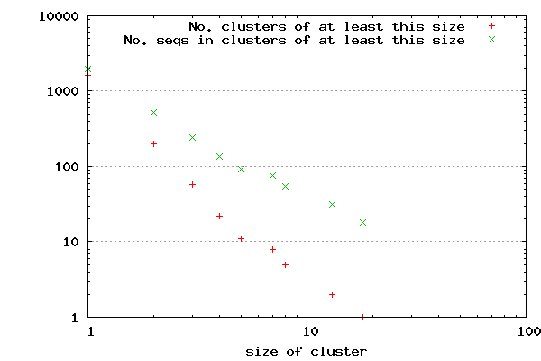
...

shys specific
CD-HIT
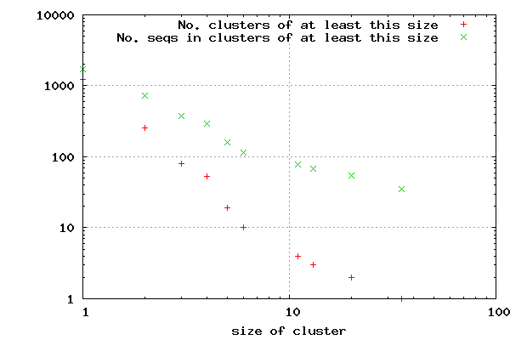
...

KEGG combined BLAST
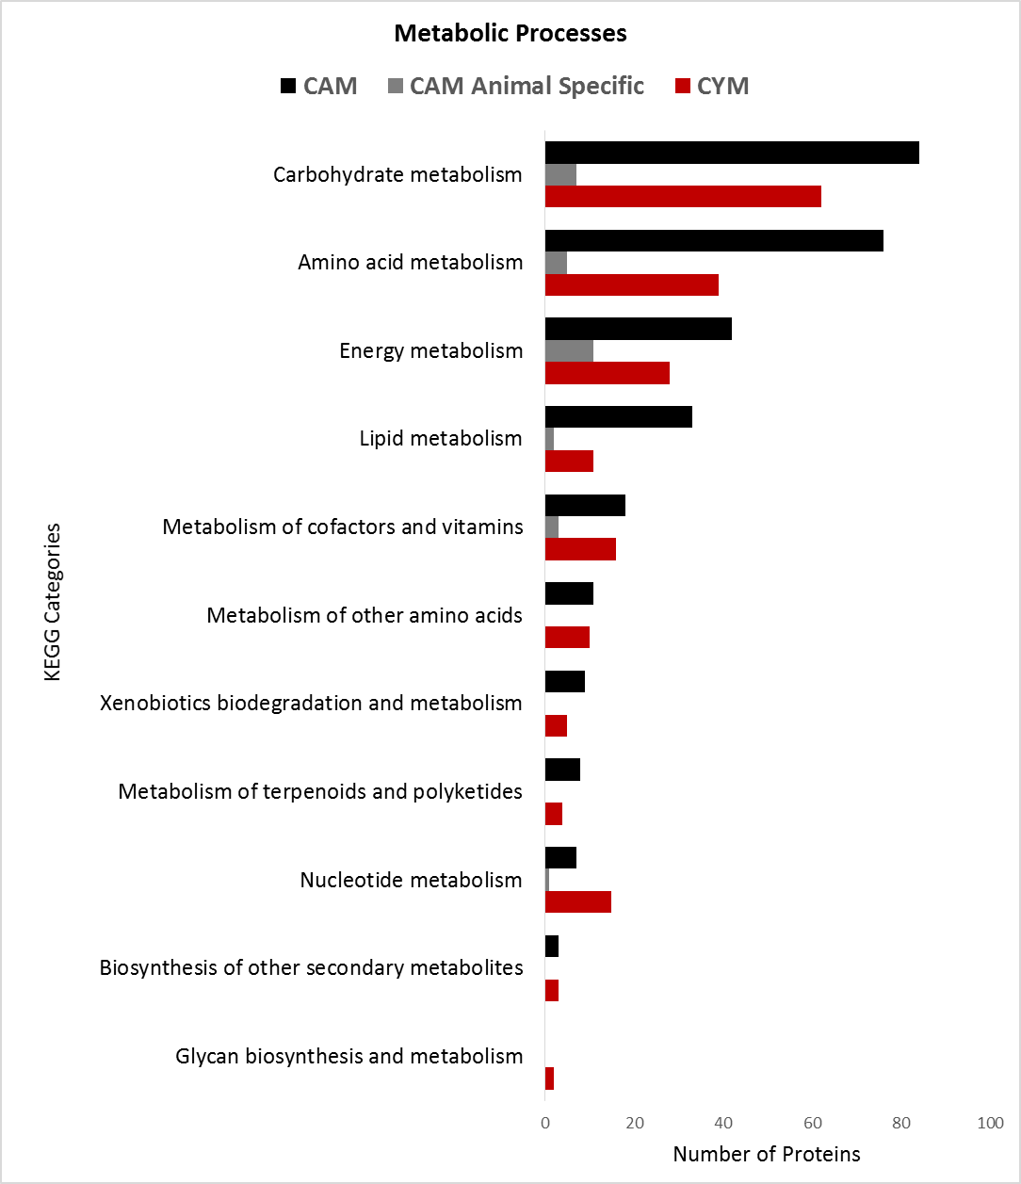
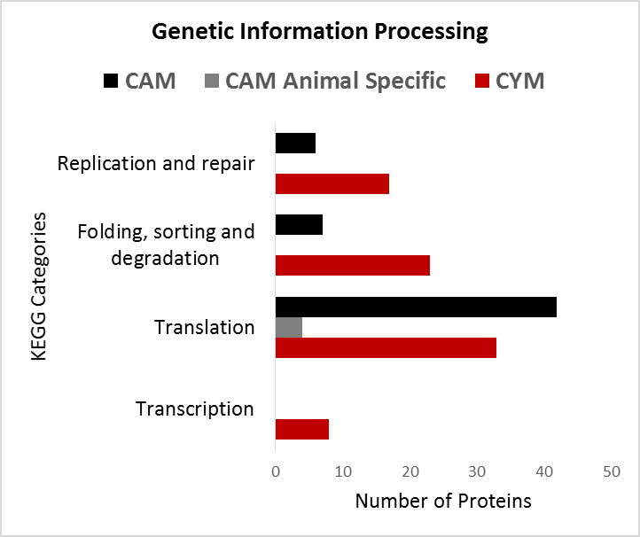
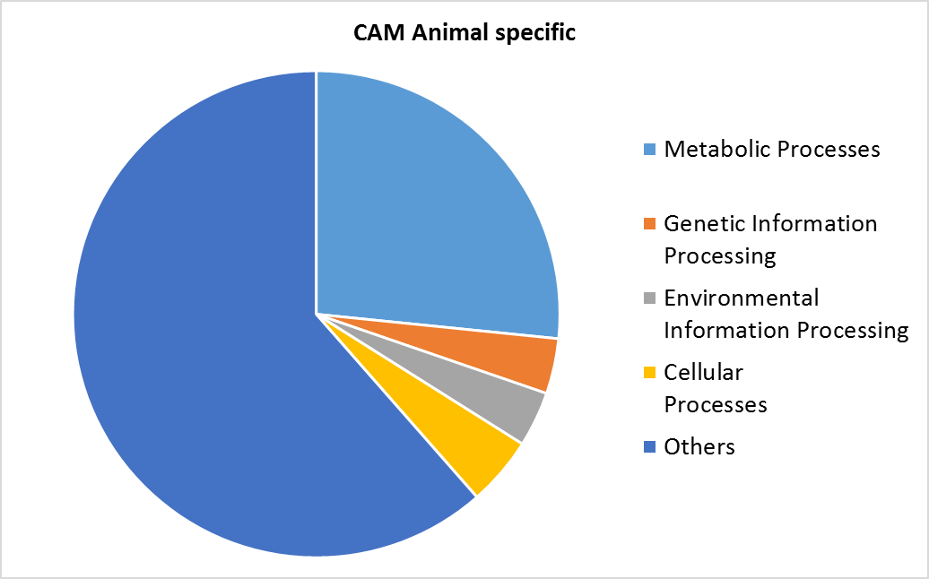
 |  | CYM | CAM Animal Specific | CAM |  | CAM | CAM Animal specific | CYM
Metabolic Processes | Glycan biosynthesis and metabolism | 2 | 0 | 0 | Metabolic Processes | 291 | 29 | 195
 | Biosynthesis of other secondary metabolites | 3 | 0 | 3 | Genetic Information Processing | 55 | 4 | 81
 | Nucleotide metabolism | 15 | 1 | 7 | Environmental Information Processing | 55 | 4 | 81
 | Metabolism of terpenoids and polyketides | 4 | 0 | 8 | Cellular Processes | 32 | 5 | 56
 | Xenobiotics biodegradation and metabolism | 5 | 0 | 9 | Others | 180 | 67 | 320
 | Metabolism of other amino acids | 10 | 0 | 11
 | Metabolism of cofactors and vitamins | 16 | 3 | 18
 | Lipid metabolism | 11 | 2 | 33
 | Energy metabolism | 28 | 11 | 42
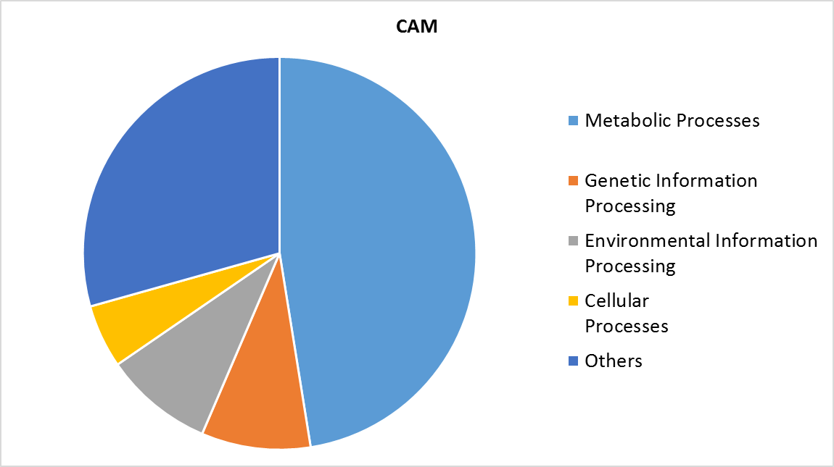
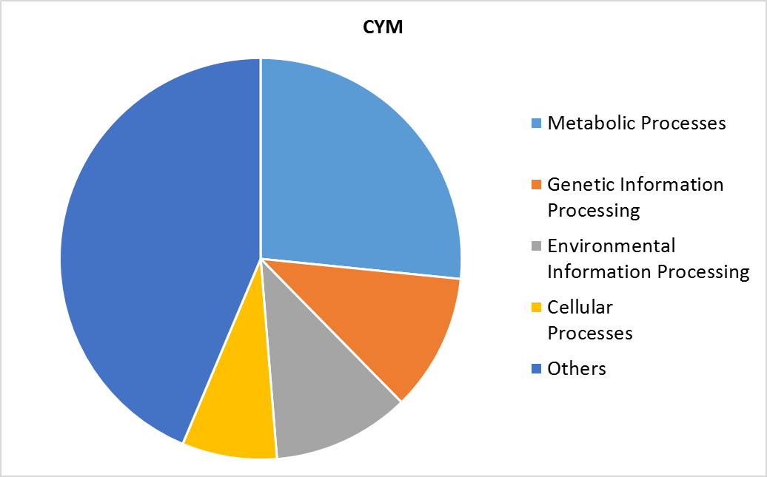
 | Amino acid metabolism | 39 | 5 | 76
 | Carbohydrate metabolism | 62 | 7 | 84
 |  | CYM | CAM Animal Specific | CAM
Genetic Information Processing | Transcription | 8 | 0 | 0
 | Translation | 33 | 4 | 42
 | Folding, sorting and degradation | 23 | 0 | 7
 | Replication and repair | 17 | 0 | 6
 |  | CYM | CAM Animal Specific | CAM
Environmental Information Processing | Membrane transport | 1 | 0 | 2
 | Signal transduction | 75 | 4 | 22
 | Signaling molecules and interaction | 0 | 0 | 1
 |  | CYM | CAM Animal Specific | CAM
Cellular Processes | Transport and catabolism | 18 | 0 | 12
 | Cell motility | 6 | 0 | 1
 | Cell growth and death | 18 | 5 | 15
 | Cellular community - eukaryotes | 12 | 0 | 3
 | Cellular community - prokaryotes | 2 | 0 | 1

Organismal Systems |  | 130 | 11 | 35
Metabolic Processes
Genetic Information Processing
Human Diseases |  | 190 | 56 | 145

Sheet8
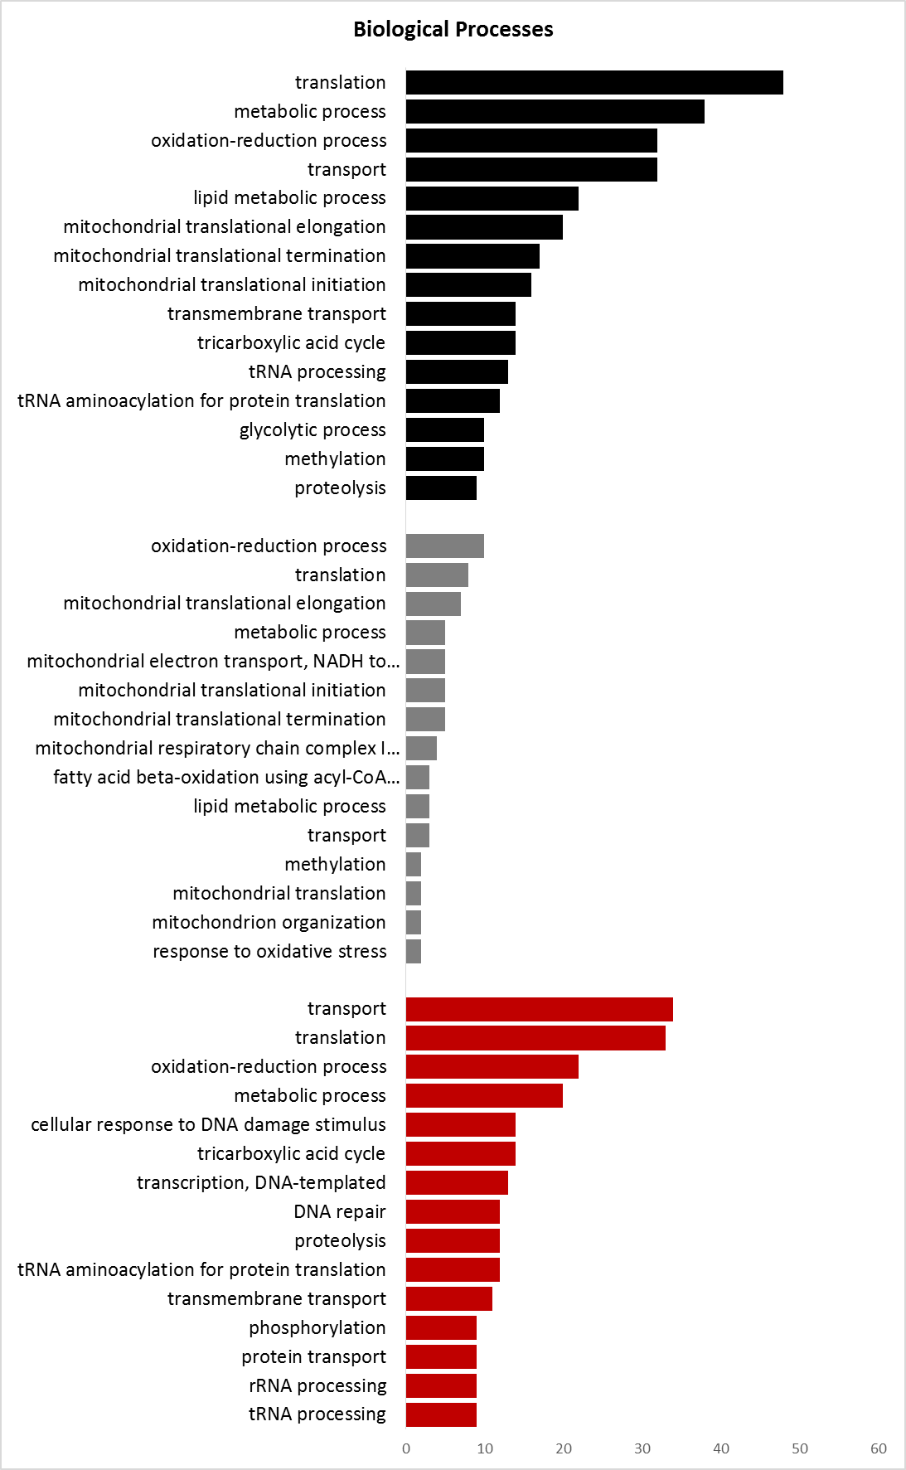
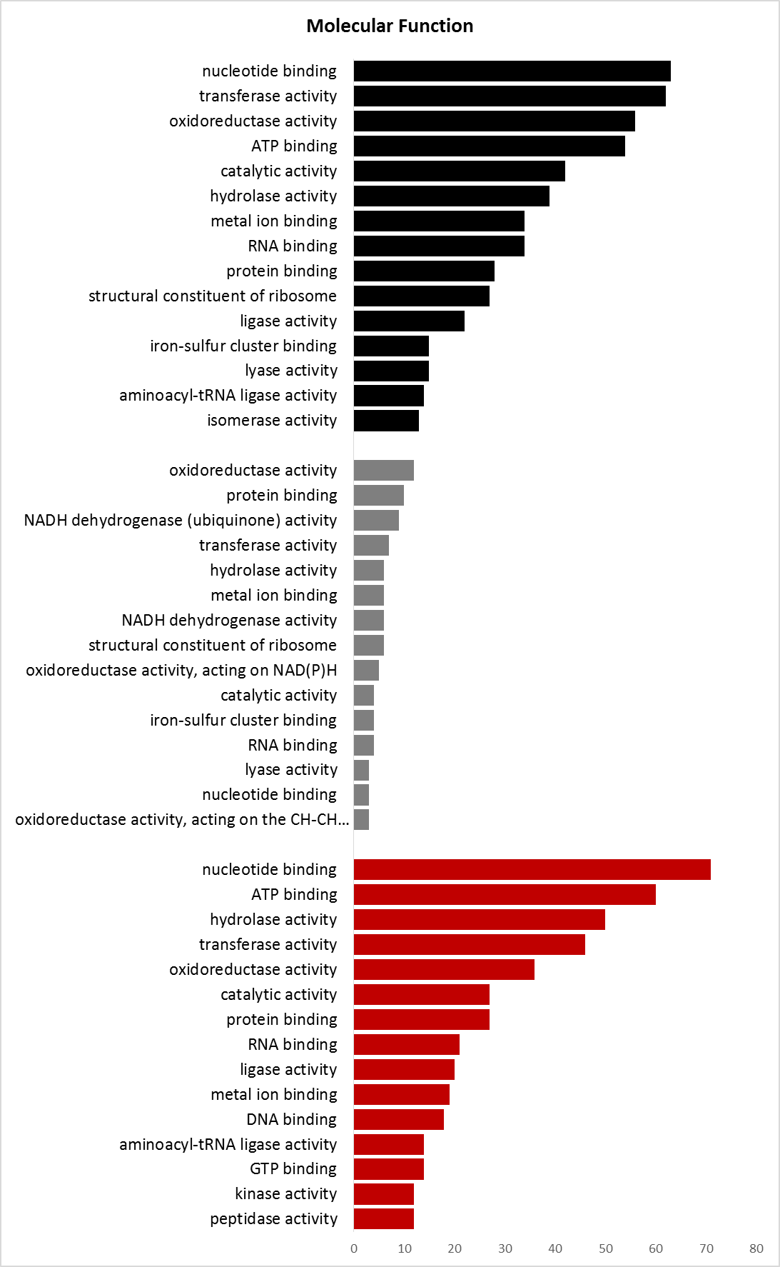
...
CYM |  | CYM | CYM |  | CYM
27 | structural constituent of ribosome | 27 | 14 | tricarboxylic acid cycle | 14
28 | protein binding | 28 | 14 | transmembrane transport | 14
34 | RNA binding | 34 | 16 | mitochondrial translational initiation | 16
34 | metal ion binding | 34 | 17 | mitochondrial translational termination | 17
39 | hydrolase activity | 39 | 20 | mitochondrial translational elongation | 20
42 | catalytic activity | 42 | 22 | lipid metabolic process | 22
54 | ATP binding | 54 | 32 | transport | 32
56 | oxidoreductase activity | 56 | 32 | oxidation-reduction process | 32
62 | transferase activity | 62 | 38 | metabolic process | 38
63 | nucleotide binding | 63 | 48 | translation | 48
Molecular Function
 | CYM
peptidase activity | 12
kinase activity | 12
GTP binding | 14
aminoacyl-tRNA ligase activity | 14
DNA binding | 18
metal ion binding | 19
ligase activity | 20
RNA binding | 21
protein binding | 27
catalytic activity | 27
oxidoreductase activity | 36
transferase activity | 46
hydrolase activity | 50
ATP binding | 60
nucleotide binding | 71
 | 0
oxidoreductase activity, acting on the CH-CH group of donors | 3
nucleotide binding | 3
lyase activity | 3
RNA binding | 4
iron-sulfur cluster binding | 4
catalytic activity | 4
oxidoreductase activity, acting on NAD(P)H | 5
structural constituent of ribosome | 6
NADH dehydrogenase activity | 6
metal ion binding | 6
hydrolase activity | 6
transferase activity | 7
NADH dehydrogenase (ubiquinone) activity | 9
protein binding | 10
oxidoreductase activity | 12
 | 0
isomerase activity | 13
aminoacyl-tRNA ligase activity | 14
lyase activity | 15
iron-sulfur cluster binding | 15
ligase activity | 22
structural constituent of ribosome | 27
protein binding | 28
RNA binding | 34
metal ion binding | 34
hydrolase activity | 39
catalytic activity | 42
ATP binding | 54
oxidoreductase activity | 56
transferase activity | 62
nucleotide binding | 63
Biological Processes
 | CAM
tRNA processing | 9
rRNA processing | 9
protein transport | 9
phosphorylation | 9
transmembrane transport | 11
tRNA aminoacylation for protein translation | 12
proteolysis | 12
DNA repair | 12
transcription, DNA-templated | 13
tricarboxylic acid cycle | 14
cellular response to DNA damage stimulus | 14
metabolic process | 20
oxidation-reduction process | 22
translation | 33
transport | 34
 | 0
response to oxidative stress | 2
mitochondrion organization | 2
mitochondrial translation | 2
methylation | 2
transport | 3
lipid metabolic process | 3
fatty acid beta-oxidation using acyl-CoA dehydrogenase | 3
mitochondrial respiratory chain complex I assembly | 4
mitochondrial translational termination | 5
mitochondrial translational initiation | 5
mitochondrial electron transport, NADH to ubiquinone | 5
metabolic process | 5
mitochondrial translational elongation | 7
translation | 8
oxidation-reduction process | 10
 | 0
proteolysis | 9
methylation | 10
glycolytic process | 10
tRNA aminoacylation for protein translation | 12
tRNA processing | 13
tricarboxylic acid cycle | 14
transmembrane transport | 14
mitochondrial translational initiation | 16
mitochondrial translational termination | 17
mitochondrial translational elongation | 20
lipid metabolic process | 22
transport | 32
oxidation-reduction process | 32
metabolic process | 38
translation | 48

 |  |  |  |  |  | CAM
 |  |  |  |  |  | Animal specific
 |  |  |  |  |  | CYM

